Strategy Analysis
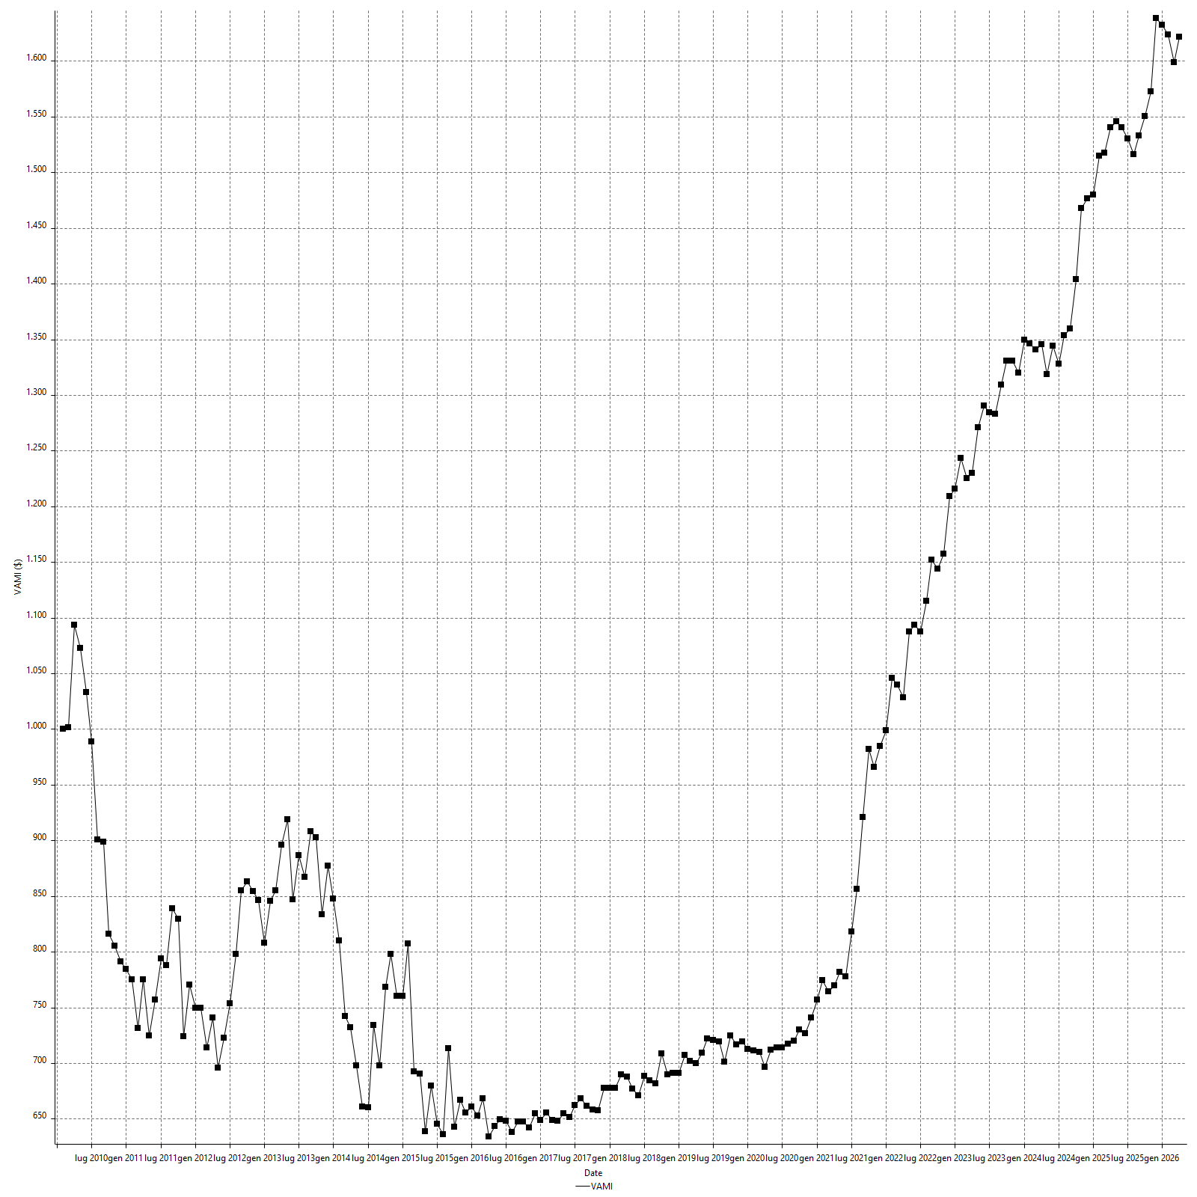
Strategy Performance Summary

 | All Trades | Long Trades | Short Trades
Net Profit | $64875.00 | -$260900.00 | $325775.00
Gross Profit | $521362.50 | $115787.50 | $405575.00
Gross Loss | -$456487.50 | -$376687.50 | -$79800.00
Adjusted Net Profit | $9947.93 | -$295564.69 | $285028.14
Adjusted Gross Profit | $492531.09 | $106933.01 | $373103.01
Adjusted Gross Loss | -$482583.15 | -$402497.70 | -$88074.87
Select Net Profit | $106987.50 | $49962.50 | $57025.00
Select Gross Profit | $252612.50 | $115787.50 | $136825.00
Select Gross Loss | -$145625.00 | -$65825.00 | -$79800.00
Account Size Required | $55250.00 | $317025.00 | $5900.00
Return on Account | 117.42% | -82.30% | 5521.61%
Return on Initial Capital | 64.87% | -260.90% | 325.78%
Max Strategy Drawdown | -$55950.00 | -$318712.50 | -$7850.00
Max Strategy Drawdown (%) | -48.55% | -314.89% | -2.90%
Max Close To Close Drawdown | -$55250.00 | -$317025.00 | -$5900.00
Max Close To Close Drawdown (%) | -48.03% | -317.03% | -2.24%
Return on Max Strategy Drawdown | 1.1595174263 | -0.81860611052 | 41.5
Profit Factor | 1.1421178017 | -0.30738344118 | 5.0823934837
Adjusted Profit Factor | 1.0206139281 | -0.26567358766 | 4.236202595
Select Profit Factor | 1.7346781116 | 1.7590201291 | 1.7145989975
Max # Contracts Held | 1 | 1 | 1
Slippage Paid | $0.00 | $0.00 | $0.00
Commission Paid | $0.00 | $0.00 | $0.00
Open Position P/L
Annual Rate of Return | 3.99% | -16.06% | 20.06%
Monthly Rate of Return | 0.33% | -1.34% | 1.67%
Buy & Hold Return | $26283.62 | $26283.62 | $25281.15
Avg Monthly Return | $332.69
Monthly Return StdDev | $3152.32
Total # of Trades | 657 | 389 | 268
% Profitable | 49.77% | 43.96% | 58.21%

Performance Ratios

Upside Potential Ratio | 19.225666964
Sharpe Ratio | 0.042842648568
Annualized Sharpe Ratio | 0.1484112881
Sortino Ratio | 0.055924811823
Fouse Ratio | 0.00078303940857
Calmar Ratio | 0.041967054264
Sterling Ratio | 0.0019739582229
RINA Index | 1418.7191113
Net Profit as % of Largest loss | 1461.97%
Net Profit as % of Max Trade Drawdown | 1461.97%
Net Profit as % of Max Strategy Drawdown | 115.95%
Select Net Profit as % of Largest loss | 2410.99%
Select Net Profit as % of Max Trade Drawdown | 2410.99%
Select Net Profit as % of Max Strategy Drawdown | 191.22%
Adj Net Profit as % of Largest loss | 224.18%
Adj Net Profit as % of Max Trade Drawdown | 224.18%
Adj Net Profit as % of Max Strategy Drawdown | 17.78%

Time Analysis

Trading Period | 16 Yrs, 3 Mths, 14 Dys, 17 Hrs, 42 Mins
Time in the Market | 1 Yr, 3 Mths, 27 Dys, 5 Hrs, 54 Mins
Percent in the Market | 8.11%
Longest flat period | 1 Mth, 15 Dys, 6 Hrs, 6 Mins
Max Run-up Date | 12/04/2010
Max Drawdown Date | 13/03/2014
Max Strategy Drawdown Date | 20/07/2015 11:42:00
Max Close To Close Drawdown Date | 13/07/2015 05:30:00

Equity Curve Detailed

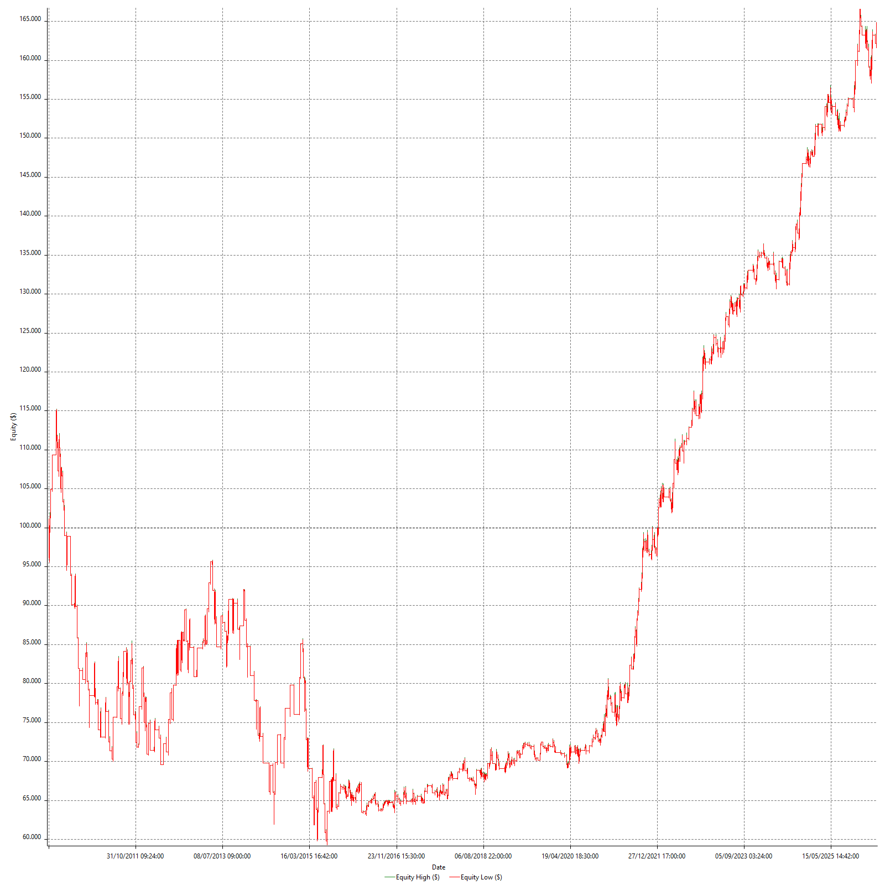

Equity Curve Detailed with DrawDown

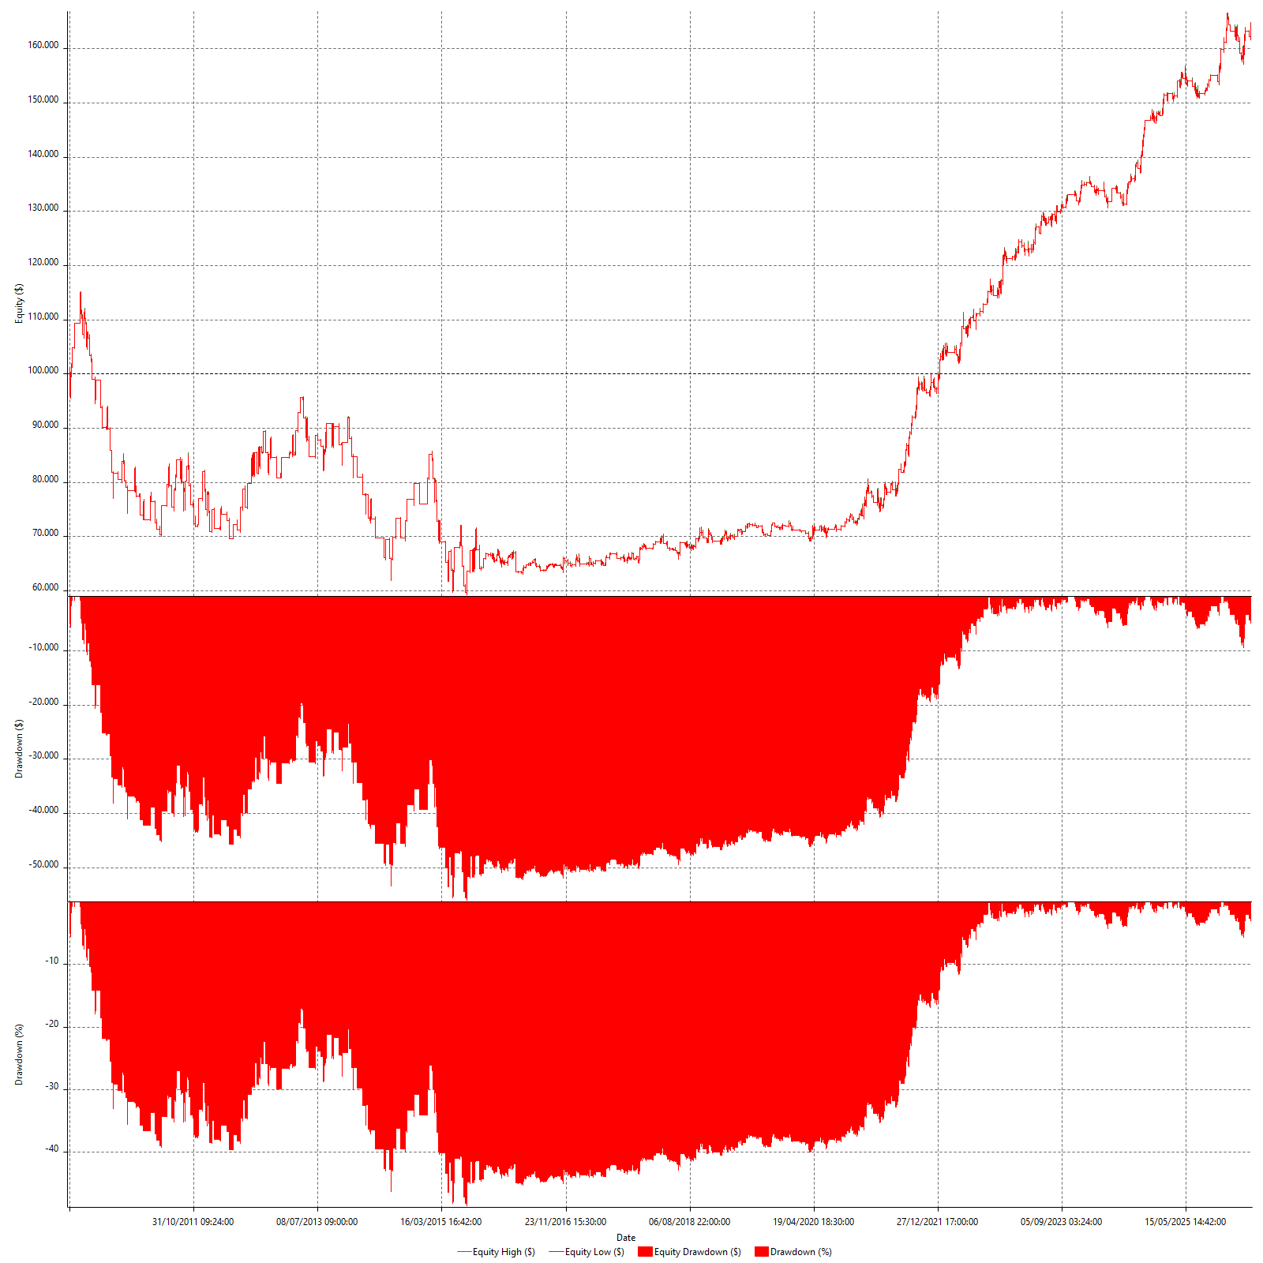

Equity Curve Detailed Long

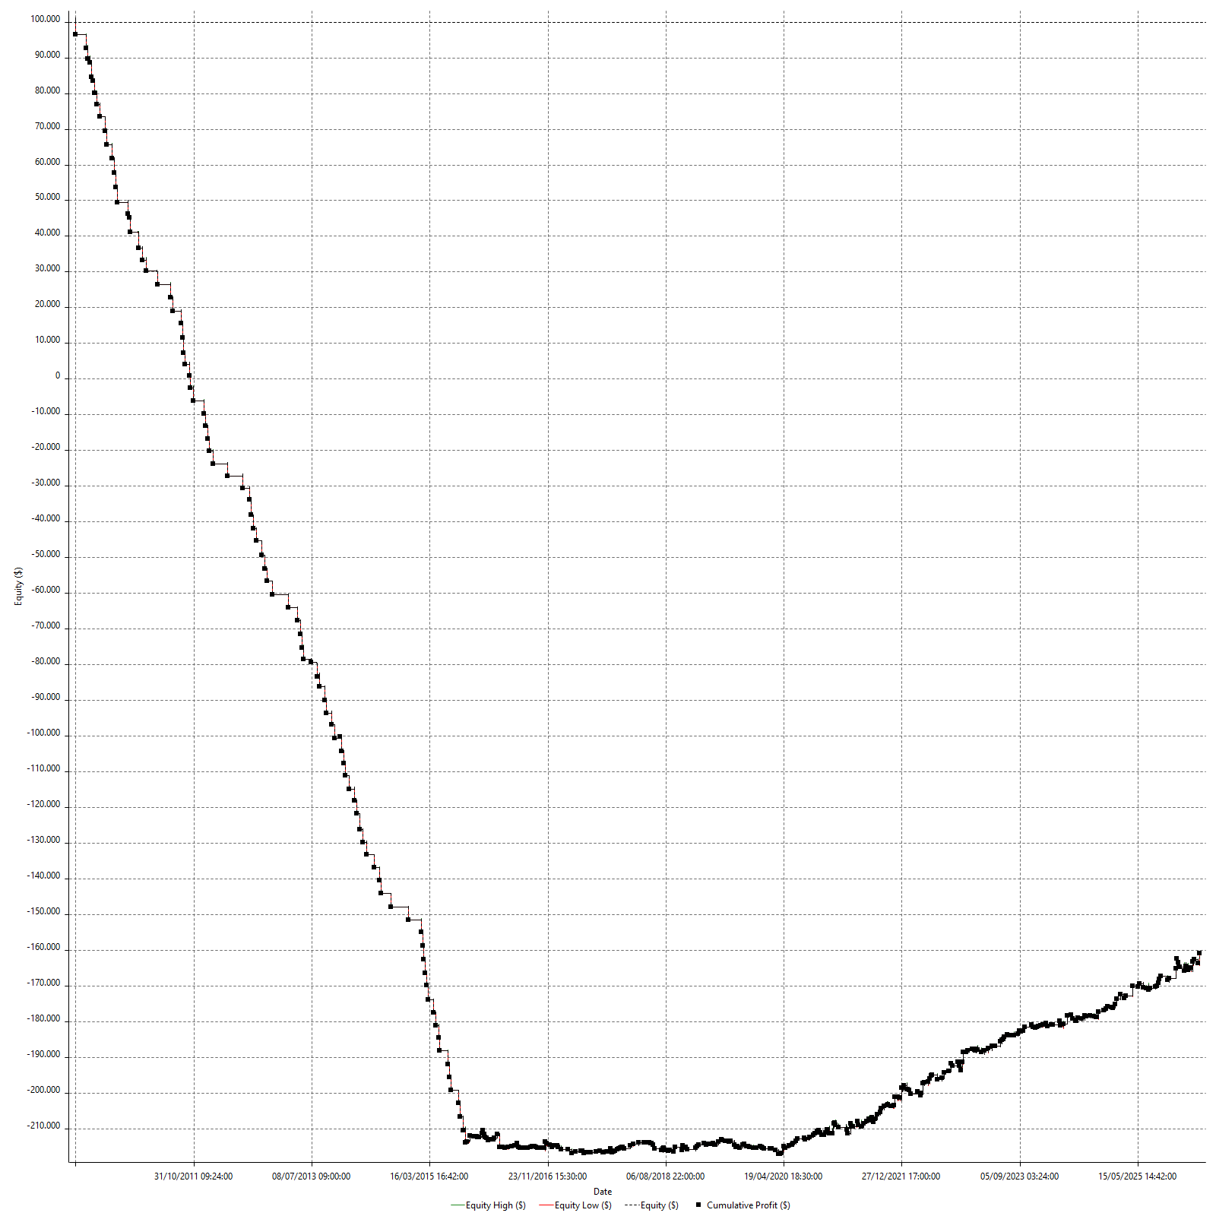

Equity Curve Detailed Short

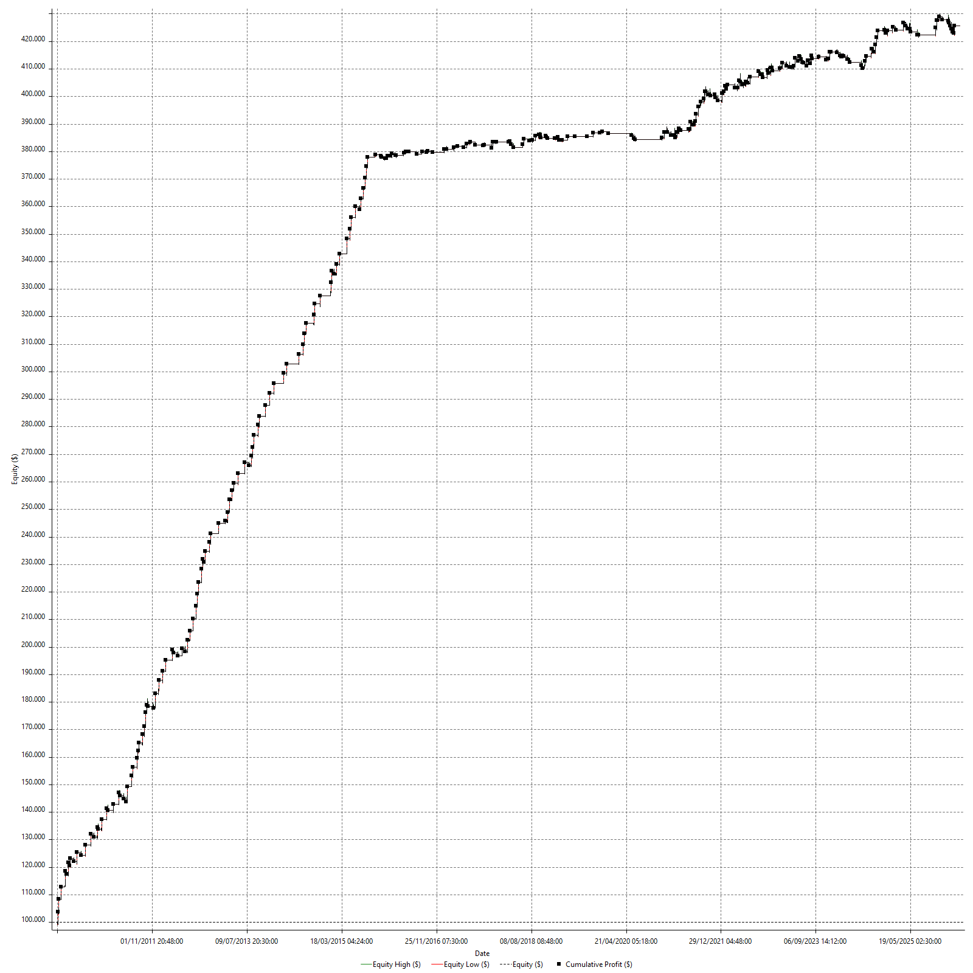

Equity Run-up & Drawdown

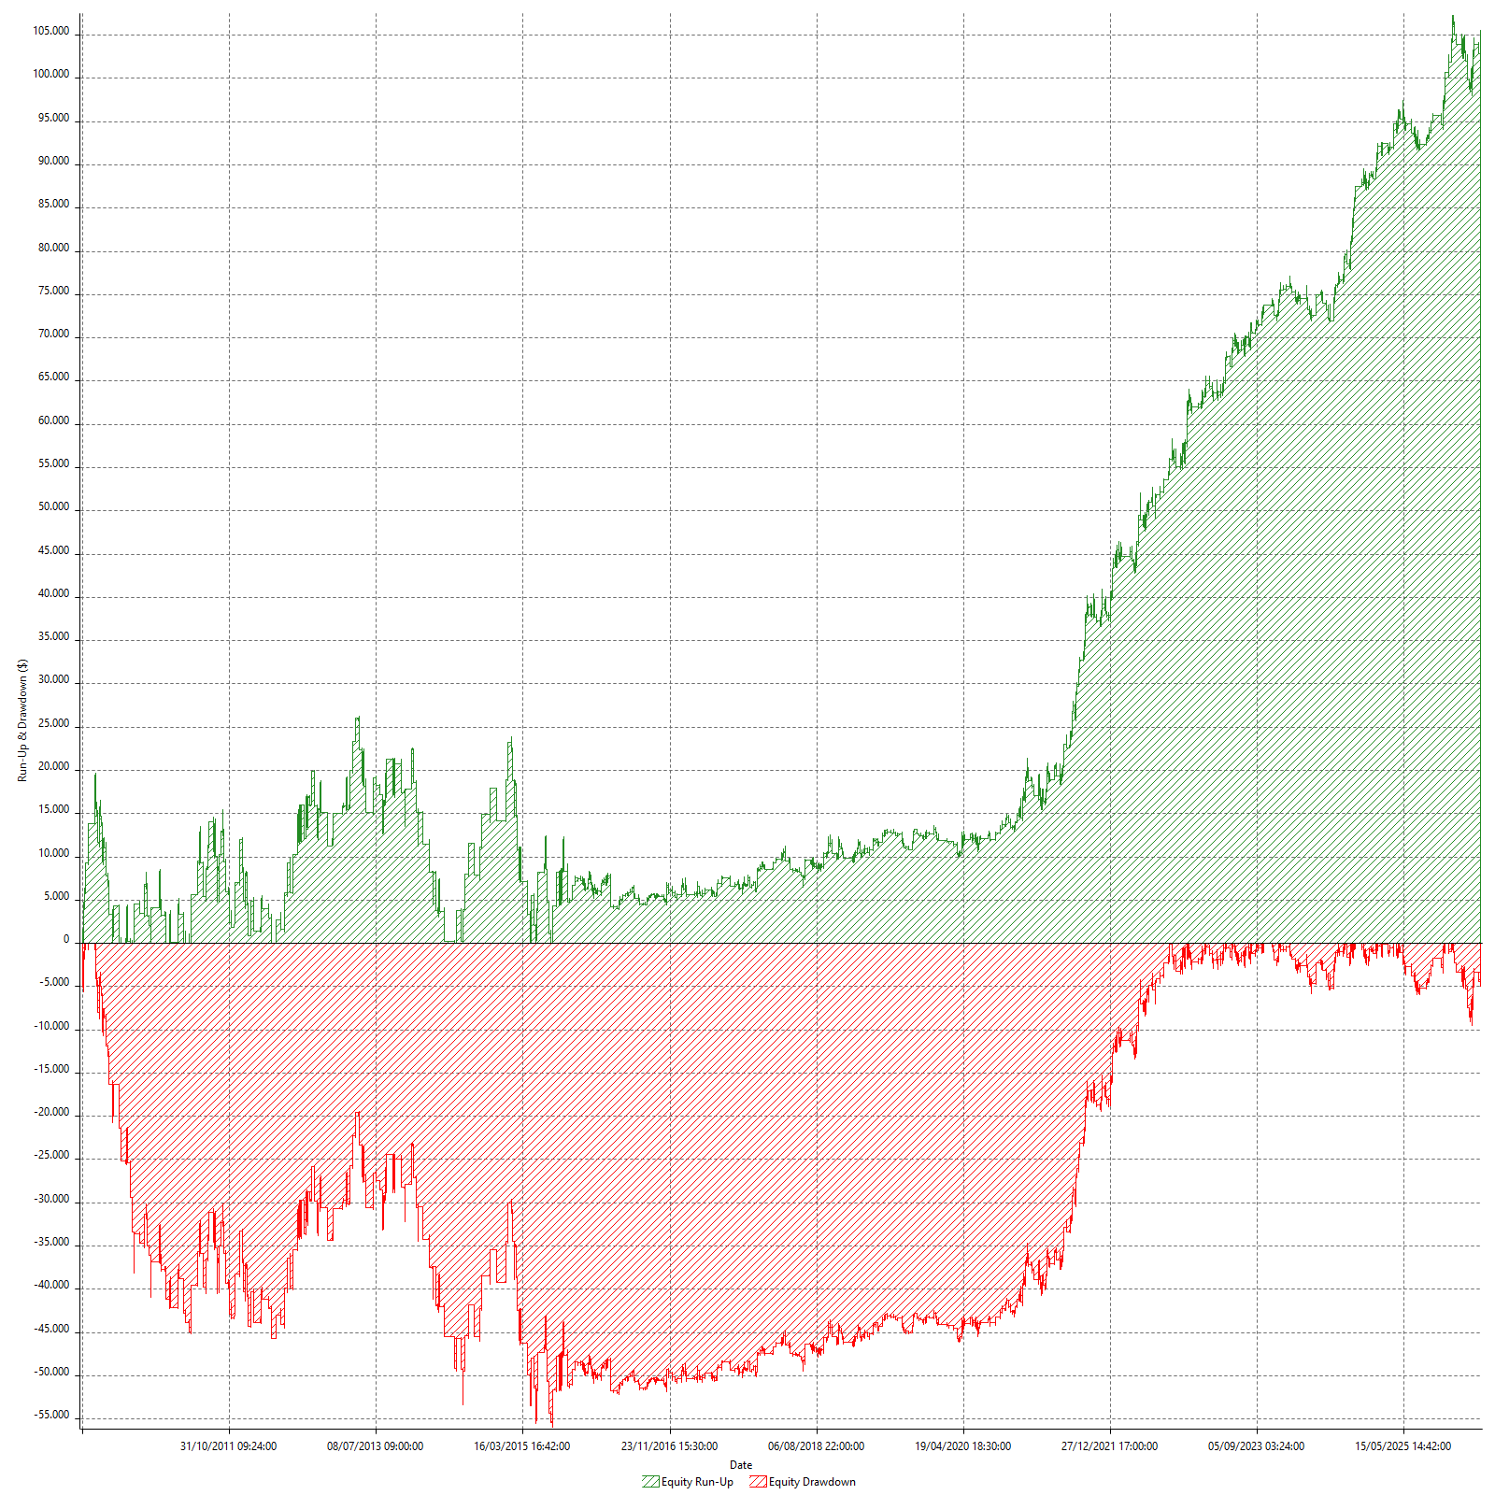

Equity Run-up & Drawdown (%)

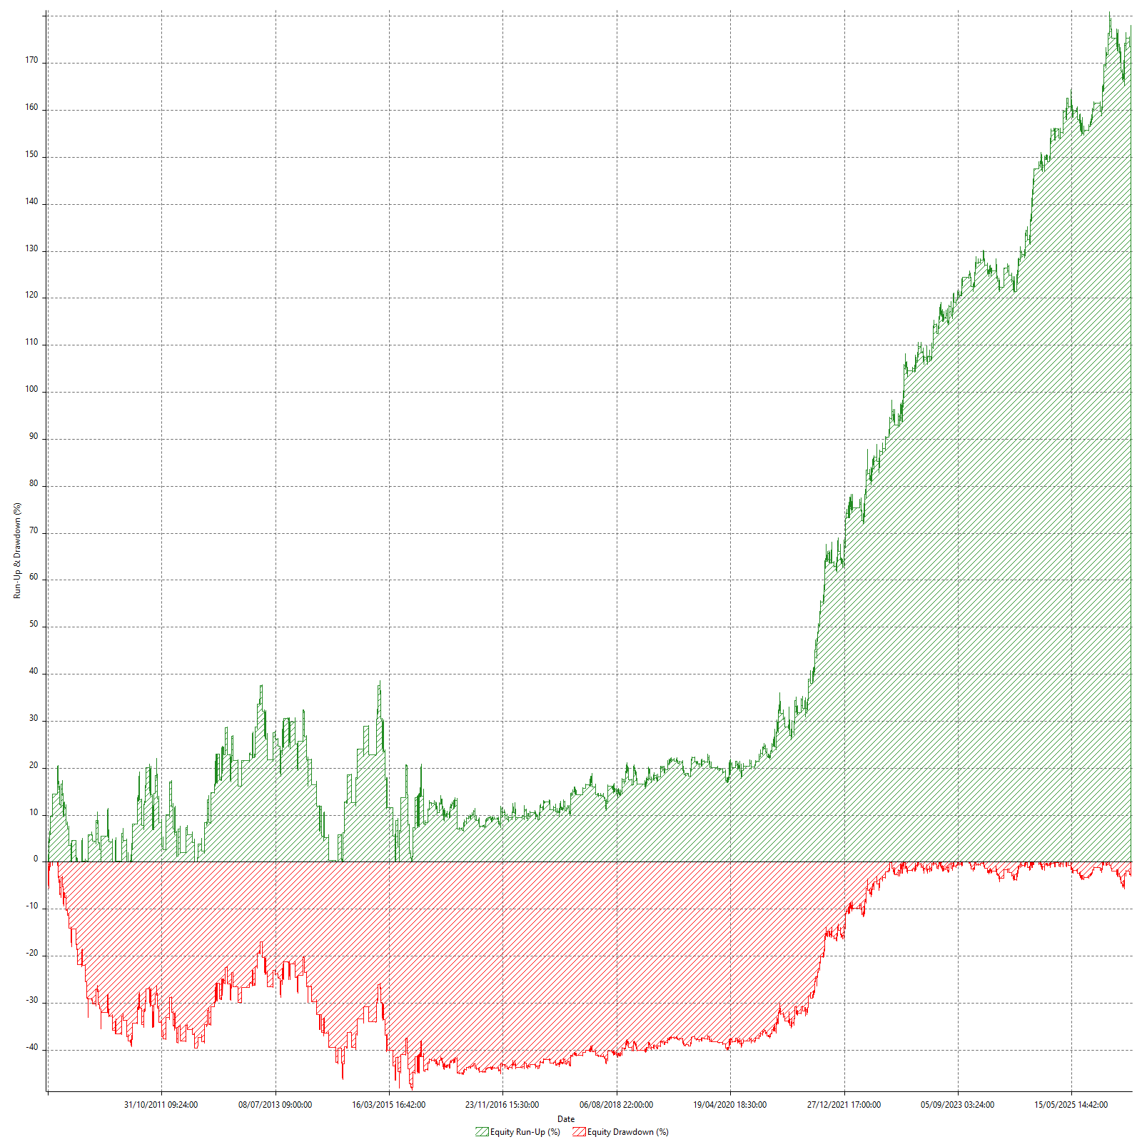

Equity Curve Close To Close

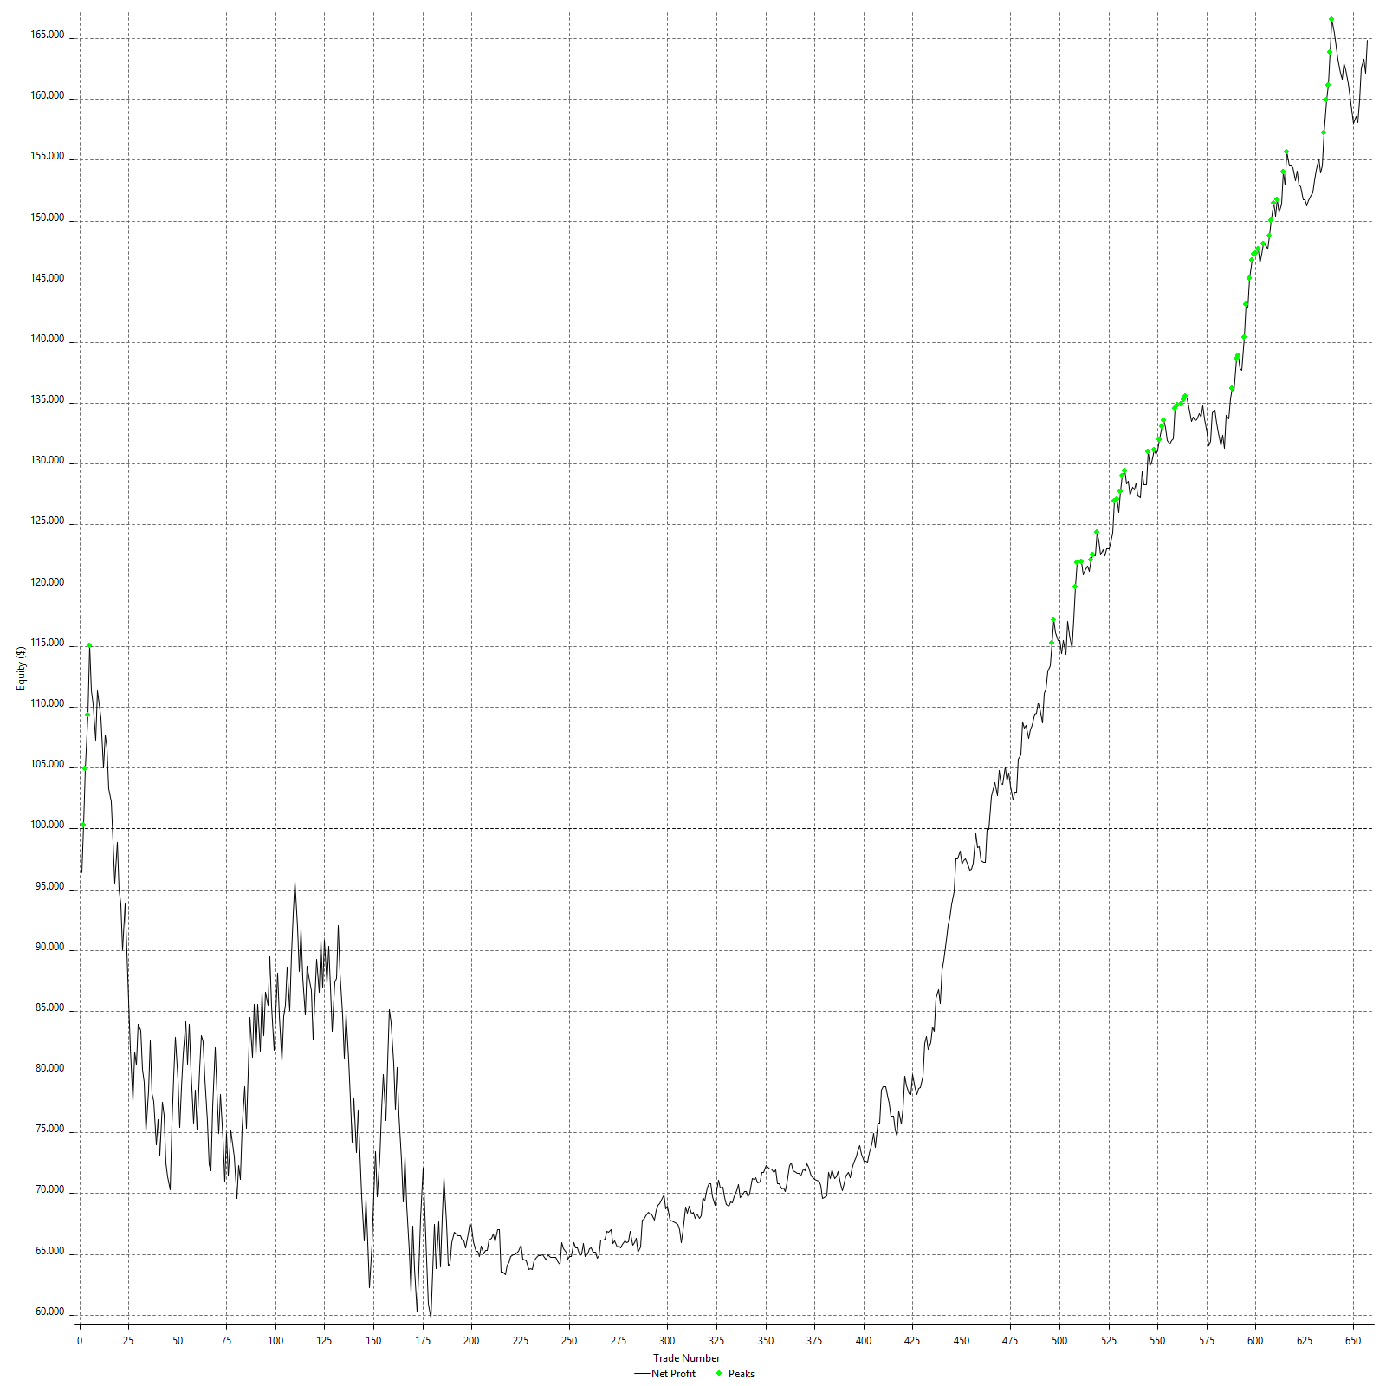

Equity Curve Close To Close With Drawdown

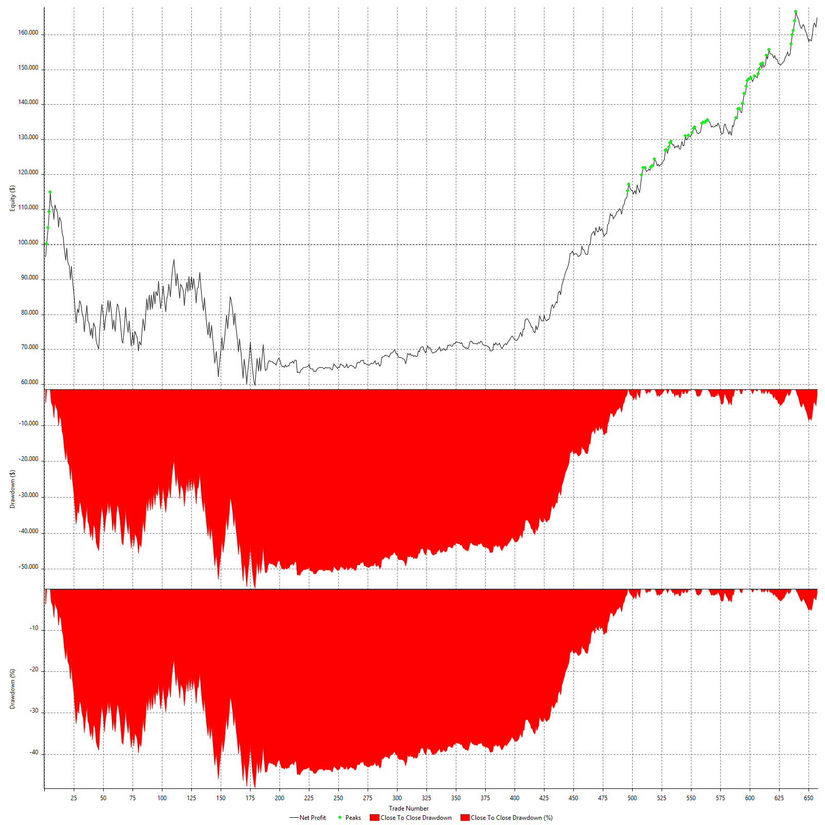

Buy & Hold Return

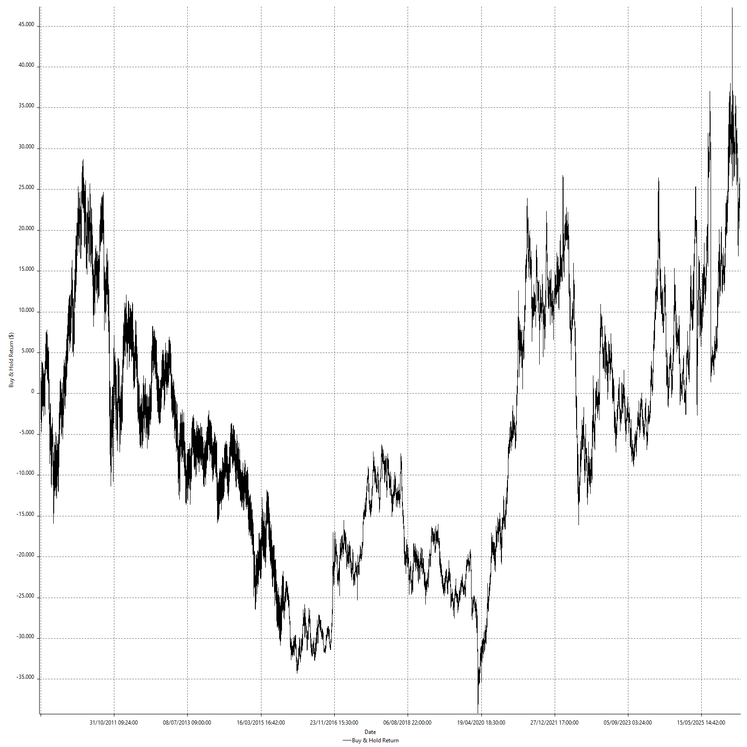

Value Added Monthly Index

Trade Analysis
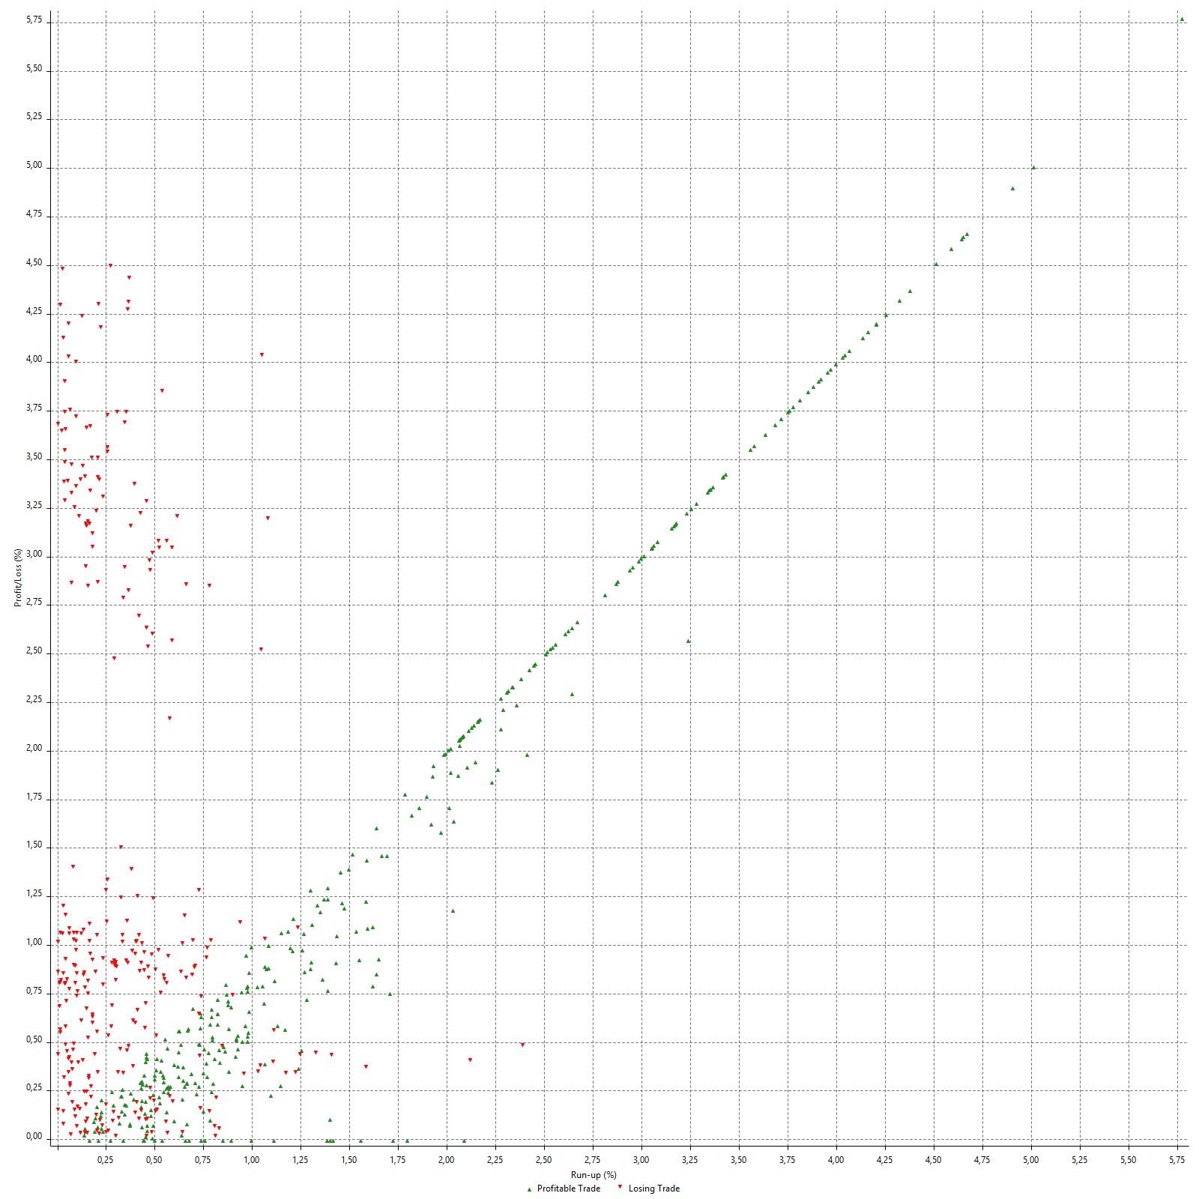
Trade Analysis

 | All Trades | Long Trades | Short Trades
Total # of Trades | 657 | 389 | 268
Total # of Open Trades | 0 | 0 | 0
Number Winning Trades | 327 | 171 | 156
Number Losing Trades | 306 | 213 | 93
% Profitable | 49.77% | 43.96% | 58.21%
Avg Trade (win & loss) | $98.74 | -$670.69 | $1215.58
Average Winning Trade | $1594.38 | $677.12 | $2599.84
Average Losing Trade | -$1491.79 | -$1768.49 | -$858.06
Ratio Avg Win / Avg Loss | 1.0687707869 | -0.38288112849 | 3.029888423
Largest Winning Trade | $5650.00 | $2700.00 | $5650.00
Largest Losing Trade | -$4437.50 | -$4437.50 | -$1100.00
Avg # Bars in All Trades | 156 | 115.5 | 214.8
Avg # Bars in Winning Trades | 184.4 | 141.7 | 231.2
Avg # Bars in Losing Trades | 117.1 | 93.2 | 171.8
Avg # Bars in Even Trades | 266.3 | 173 | 290.8
Avg # Bars Between All Trades | 1295.9 | 2338.6 | 3329.5
Avg # Bars Between Winning Trades | 1440.8 | 2775.2 | 3536.7
Avg # Bars Between Losing Trades | 1467.7 | 2594 | 3301.2
Avg # Bars Between Even Trades | 1222.9 | 3306.3 | 2787.9

Outliers

 | Total | Positive | Negative
1 Std. Deviation of Avg. Trade | $2069.55 | $1467.74 | $1404.39
Avg. Trade +1 Std. Deviation | $2168.29 | $3062.12 | -$87.40
Avg. Trade - 1 Std. Deviation | -$1970.81 | $126.64 | -$2896.18
Number of Outliers | 153 | 68 | 85
Outlier Profit/Loss | -$42112.50 | $268750.00 | -$310862.50

Run-up/Drawdown

 | Run-up | Drawdown
Max Value | $5650.00 | -$4437.50
Max Value Date | 4/12/10 | 3/13/14
Avg Value | $1108.68 | -$929.66
Max Value (%) | 5.78% | -4.49%
Max Value (%) Date | 4/19/15 | 8/20/15
Avg Value (%) | 1.01% | -0.87%
1 Std. Deviation | $1219.75 | $1114.48
Avg. Trade +1 Std. Deviation | $2328.42 | $184.82
Avg. Trade - 1 Std. Deviation | -$111.07 | -$2044.15

Trade Series Analysis

Z-score | 1.093775286
Confidence Limits | 0.72594656974
Strategy ME | $98.74
Max Consec. Winners | 8
Max Consec. Losers | 8
Largest Consec. Profit | $18612.50
Largest Consec. Loss | -$16250.00
Largest Consec. Profit (%) | 19.64%
Largest Consec. Loss (%) | -17.32%

Trade Series Statistics

Consecutive Winners | Number of Series | Avg. Gain per Series | Avg. Loss Next Trade
1 | 92 | $1845.11 | -$1429.08
2 | 39 | $1670.83 | -$1100.96
3 | 27 | $1651.39 | -$1583.80
4 | 5 | $1515.63 | -$1065.00
5 | 6 | $680.00 | -$777.08
6 | 3 | $1384.03 | -$1100.00
8 | 1 | $1487.50 | $0.00
Consecutive Losers | Number of Series | Avg. Loss per Series | Avg. Gain Next Trade
1 | 100 | -$1245.50 | $1495.38
2 | 32 | -$1778.13 | $1947.27
3 | 24 | -$1793.06 | $1964.06
4 | 6 | -$1994.79 | $2893.75
5 | 5 | -$1363.50 | $2190.00
6 | 1 | -$212.50 | $1112.50
7 | 1 | -$423.21 | $1025.00
8 | 1 | -$354.69 | $37.50

Total Trades

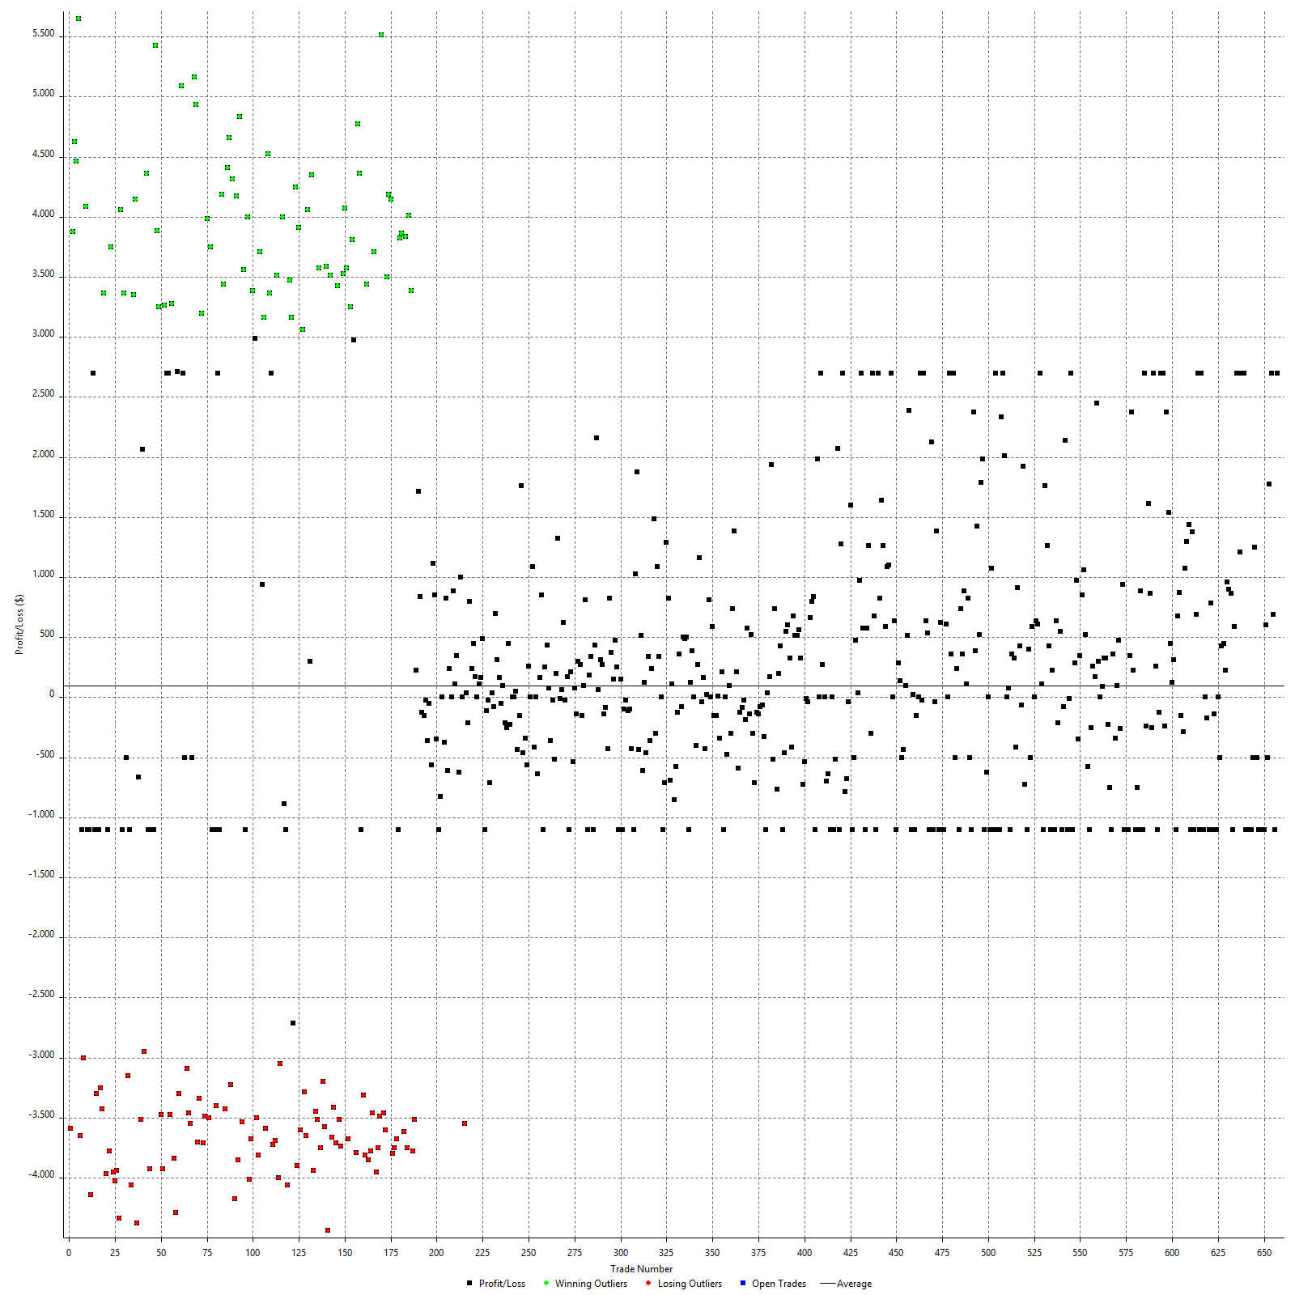

Winning Trades

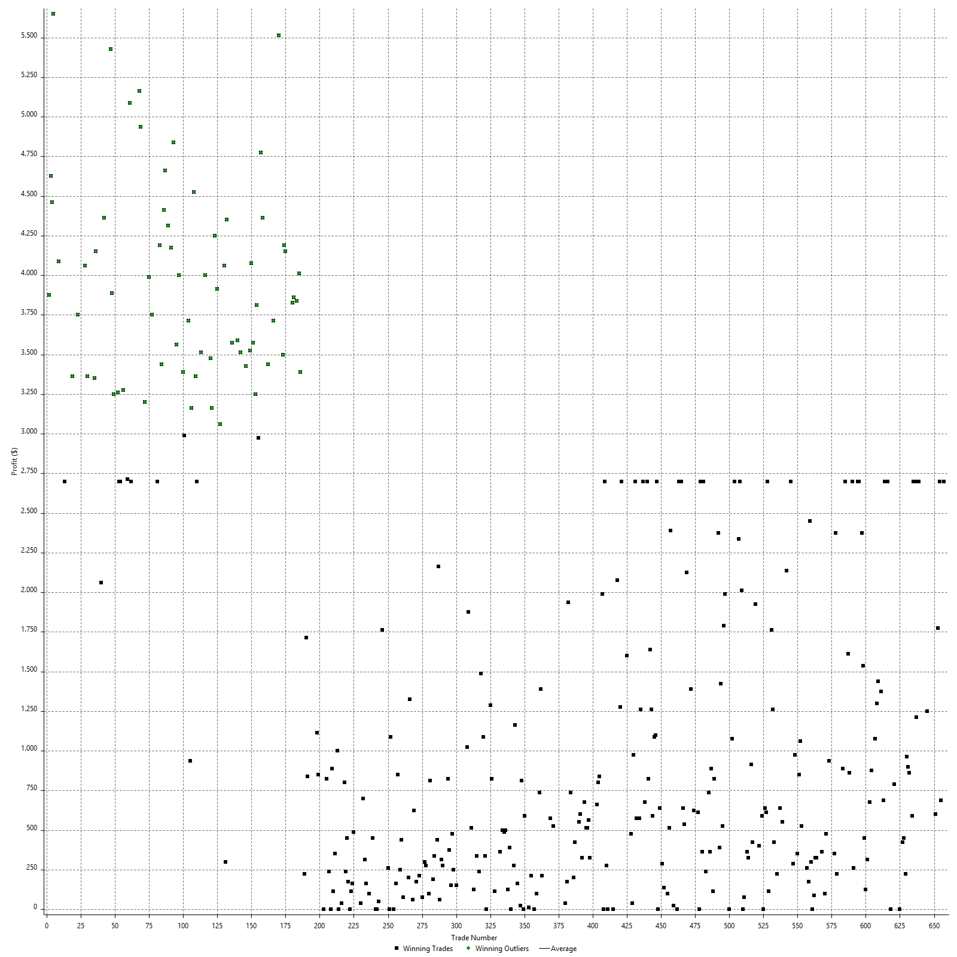

Losing Trades

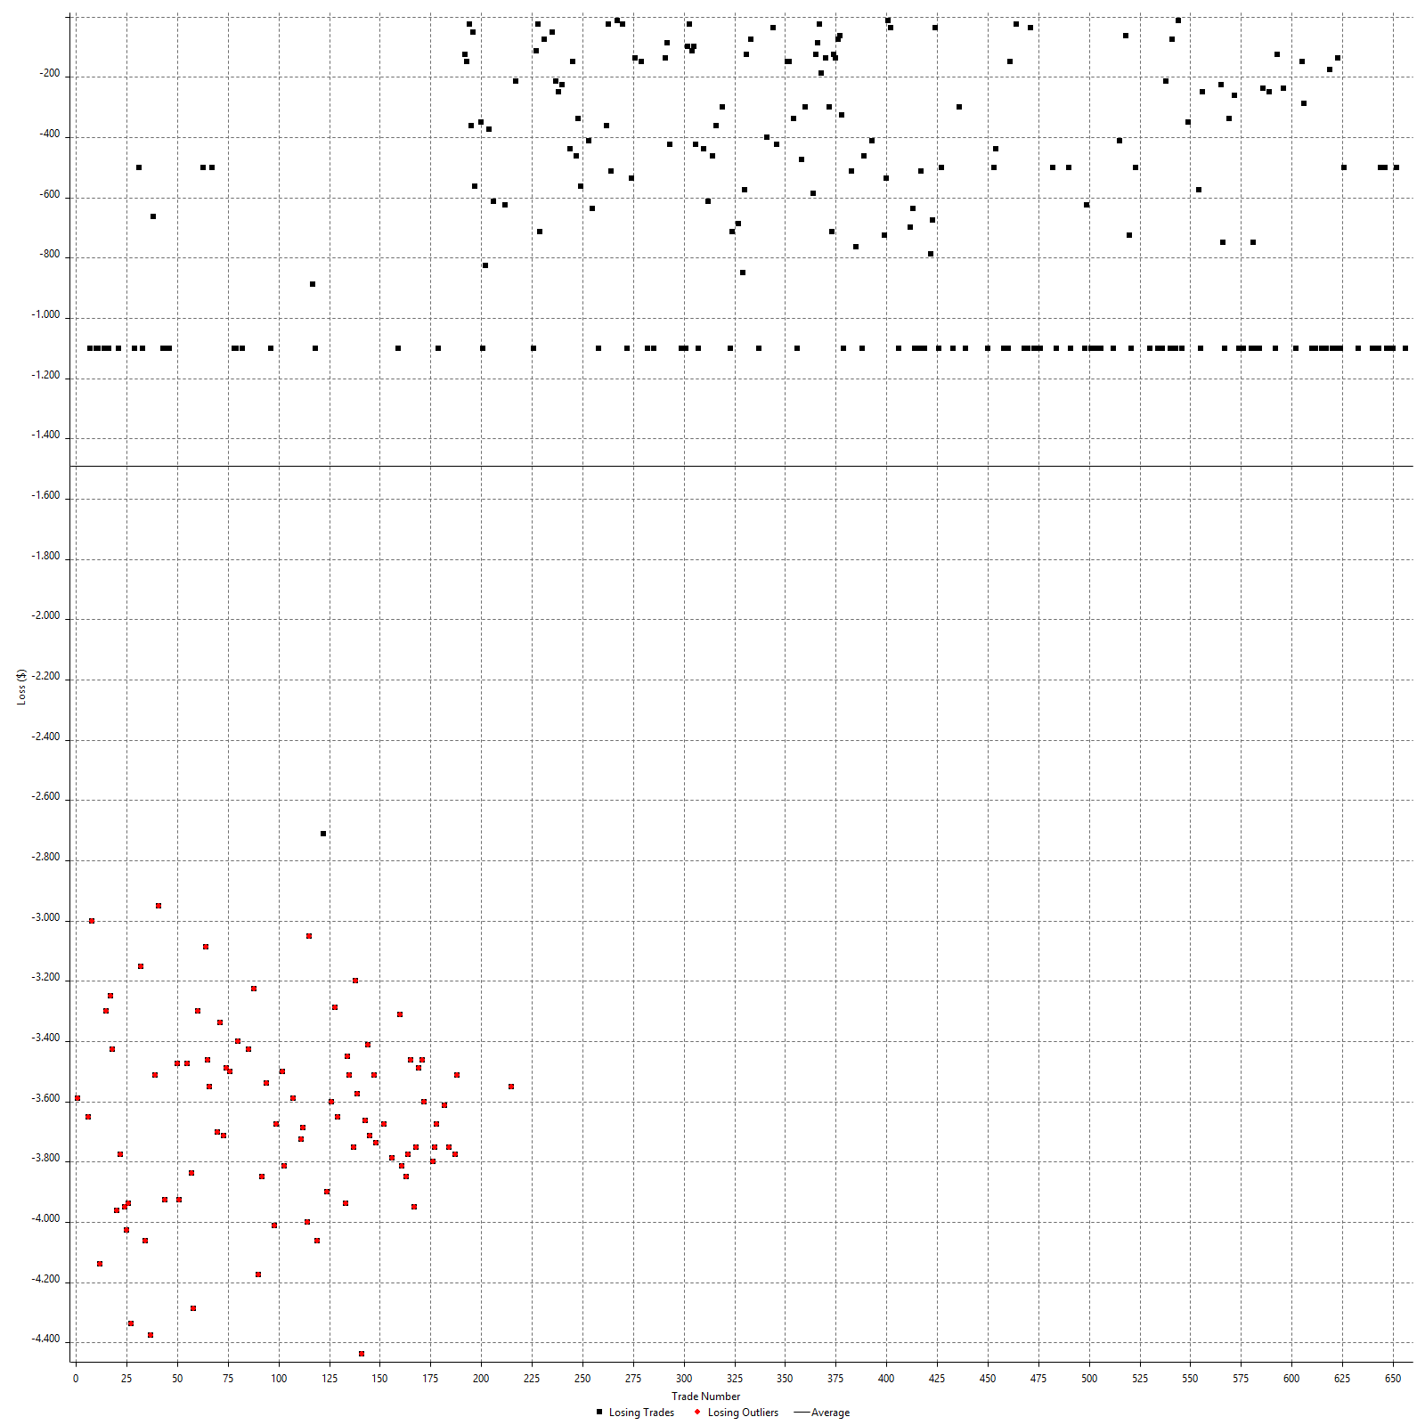

Drawdown

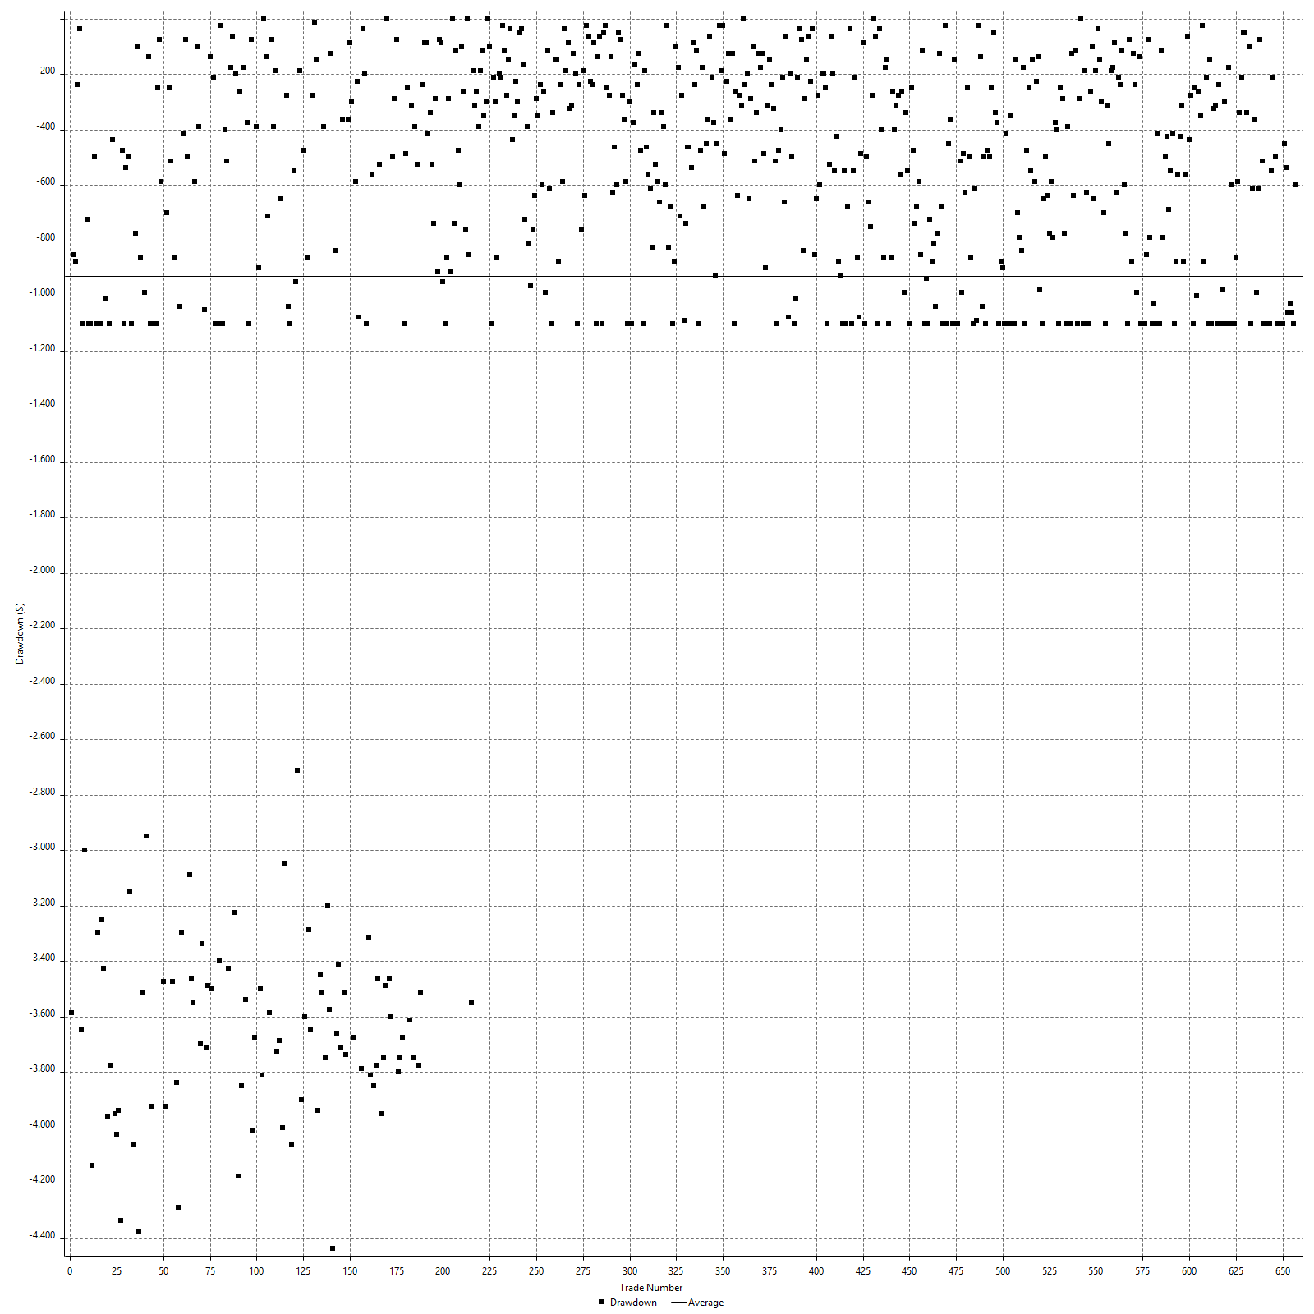

Drawdown P/L

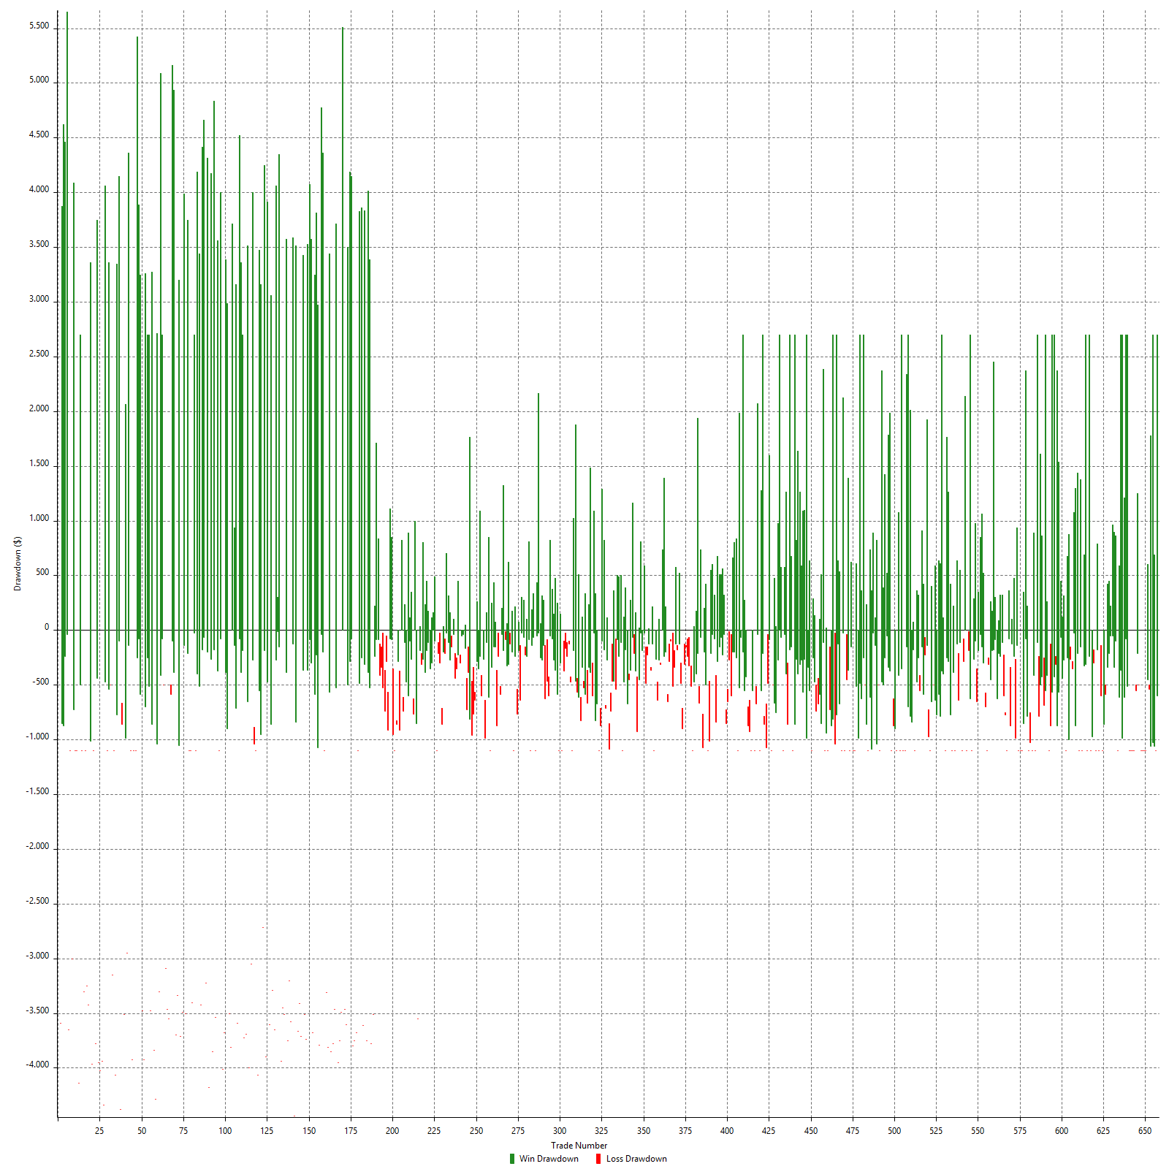

Maximum Adverse Excursion

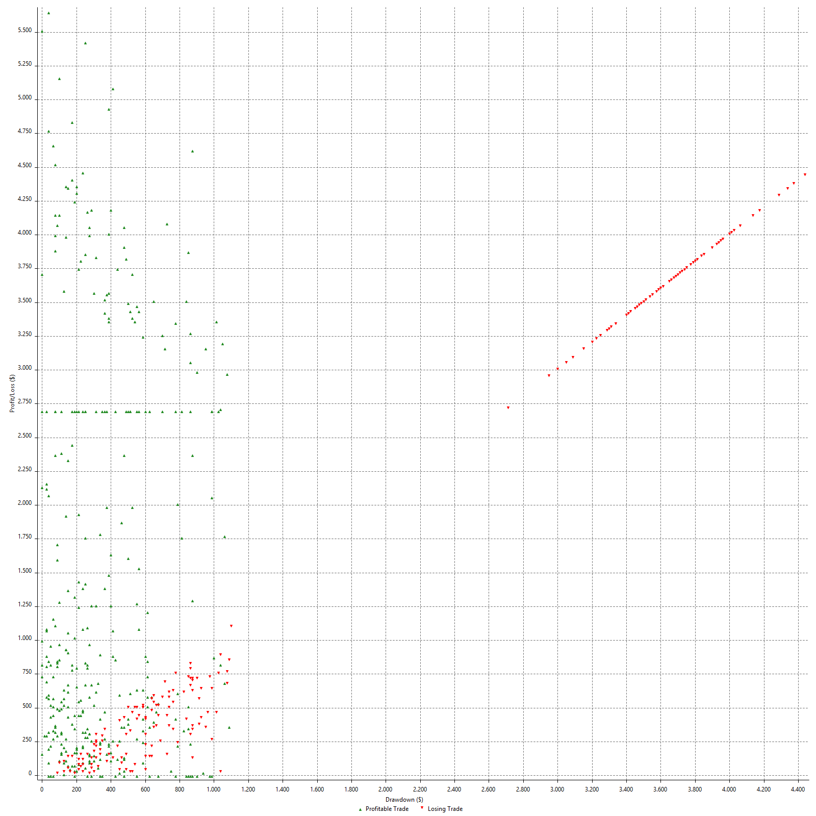

Maximum Adverse Excursion (%)

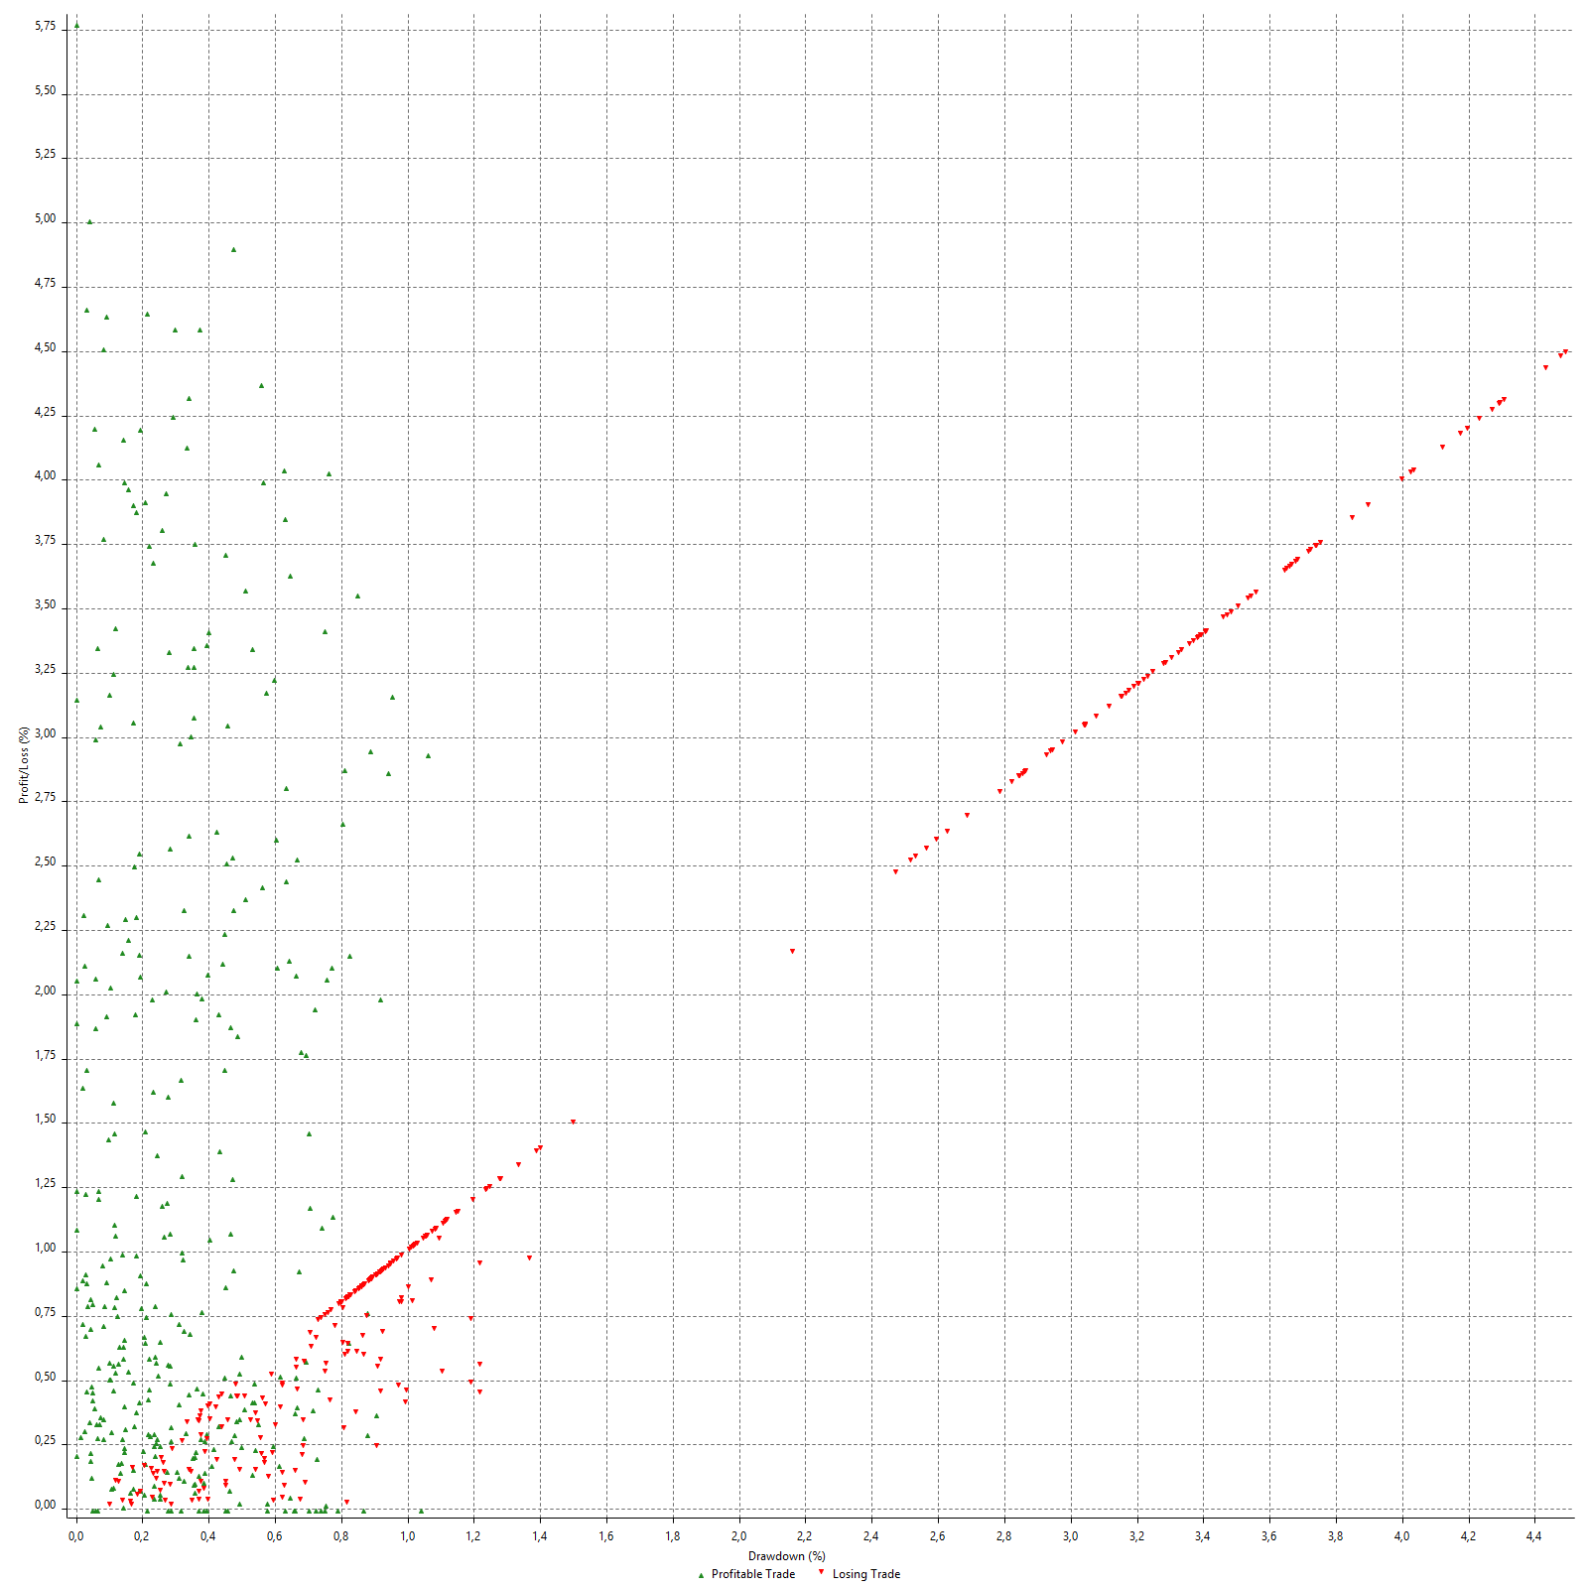

Run-up

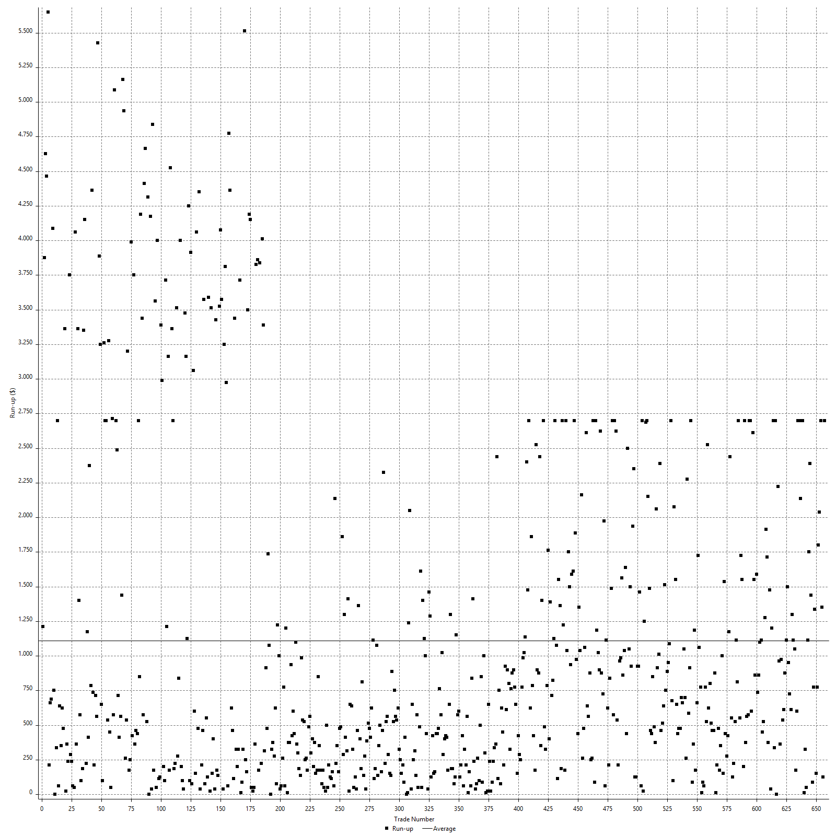

Run-up P/L

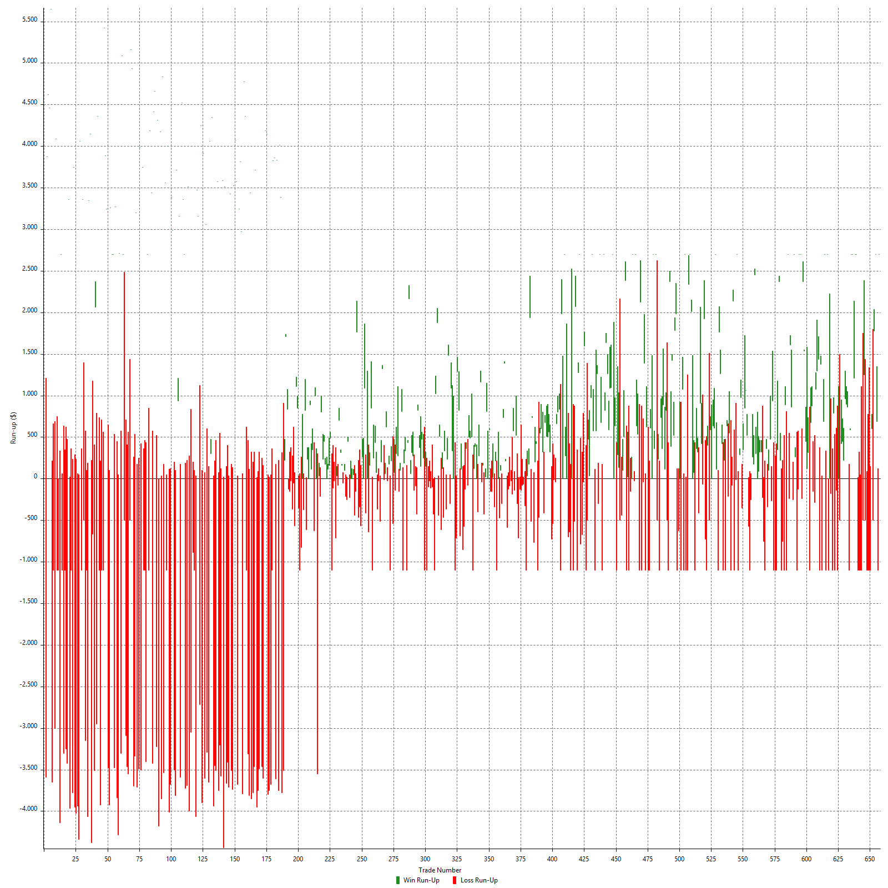

Maximum Favorable Excursion

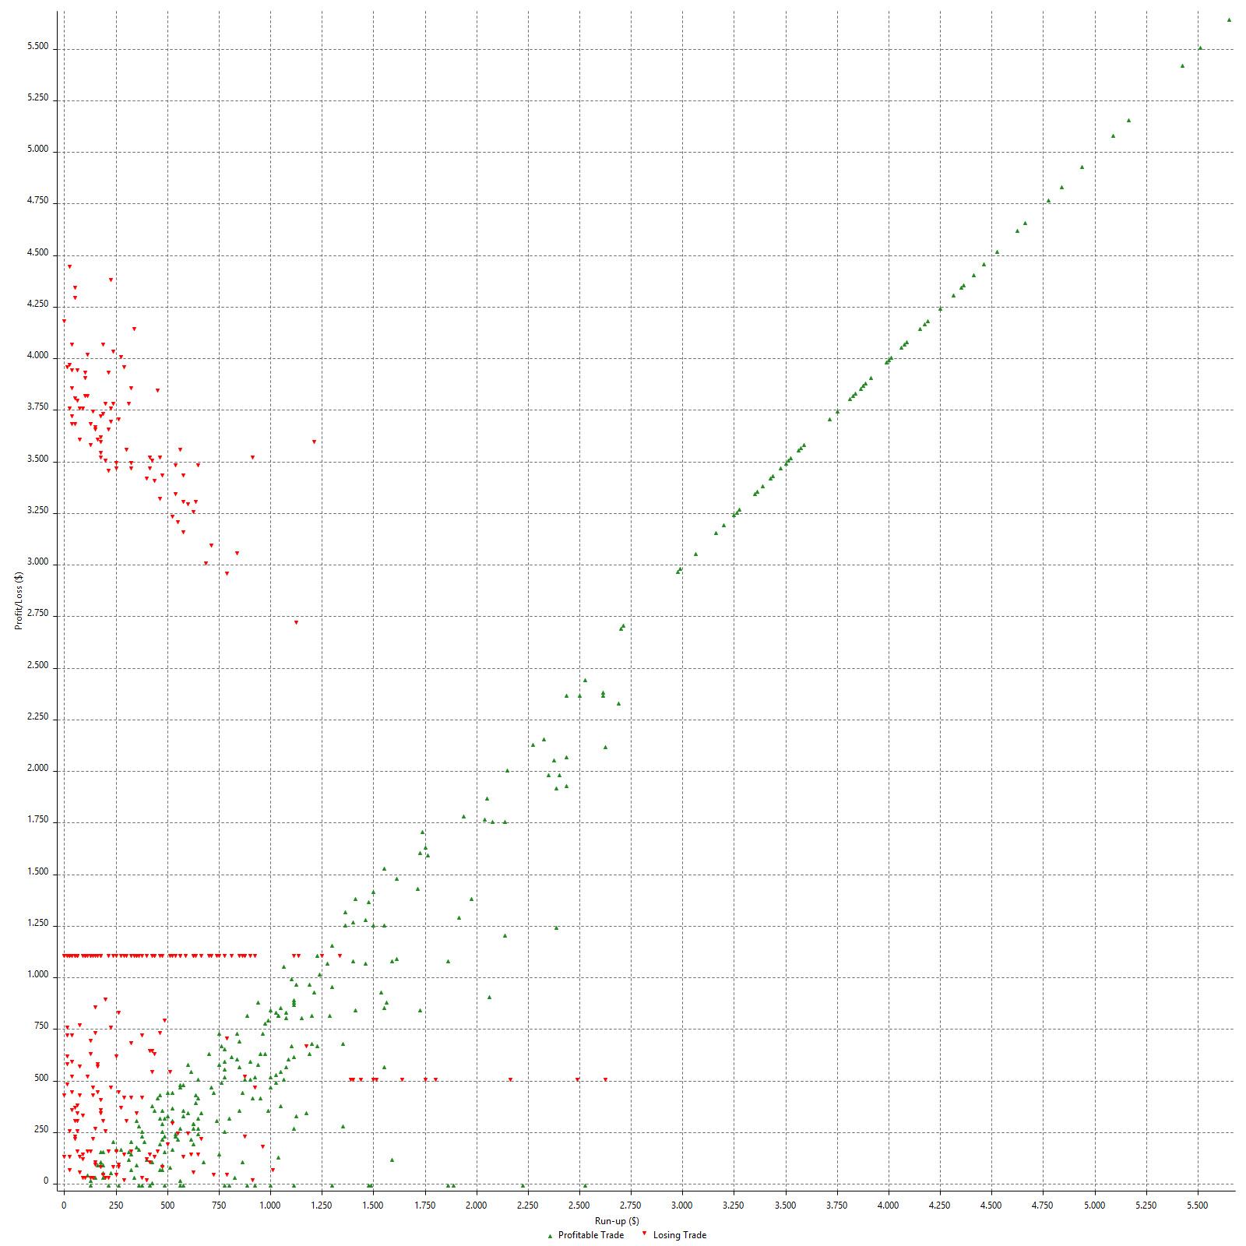

Maximum Favorable Excursion (%)

Periodical Analysis
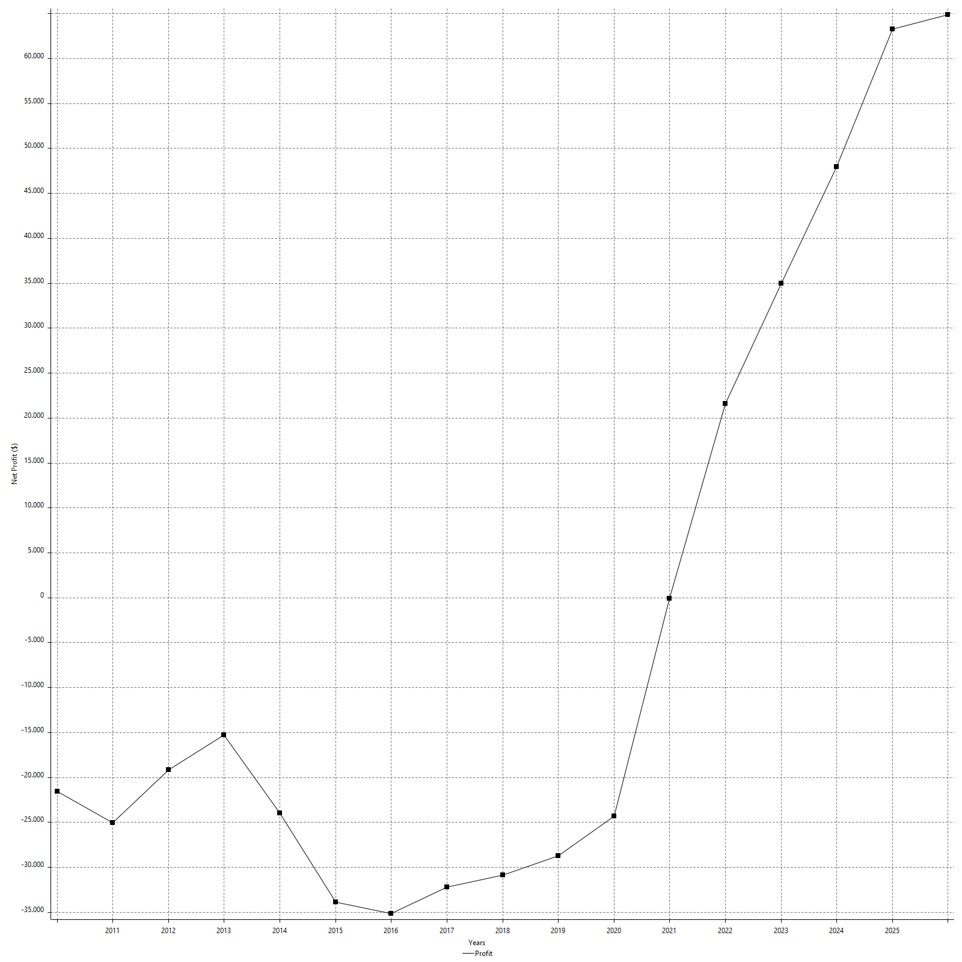
Hourly Period Analysis

Export cancelled by user

Hourly Rolling Period Analysis

Export cancelled by user

Daily Period Analysis

Export cancelled by user

Daily Rolling Period Analysis

Export cancelled by user

Weekly Rolling Period Analysis

Export cancelled by user

Weekly Period Analysis

Export cancelled by user

Monthly Analysis

Export cancelled by user

Monthly Period Analysis

Export cancelled by user

Monthly Rolling Period Analysis

Export cancelled by user

Annual Period Analysis

Export cancelled by user

Annual Rolling Period Analysis

Export cancelled by user

Hourly Returns & Drawdowns

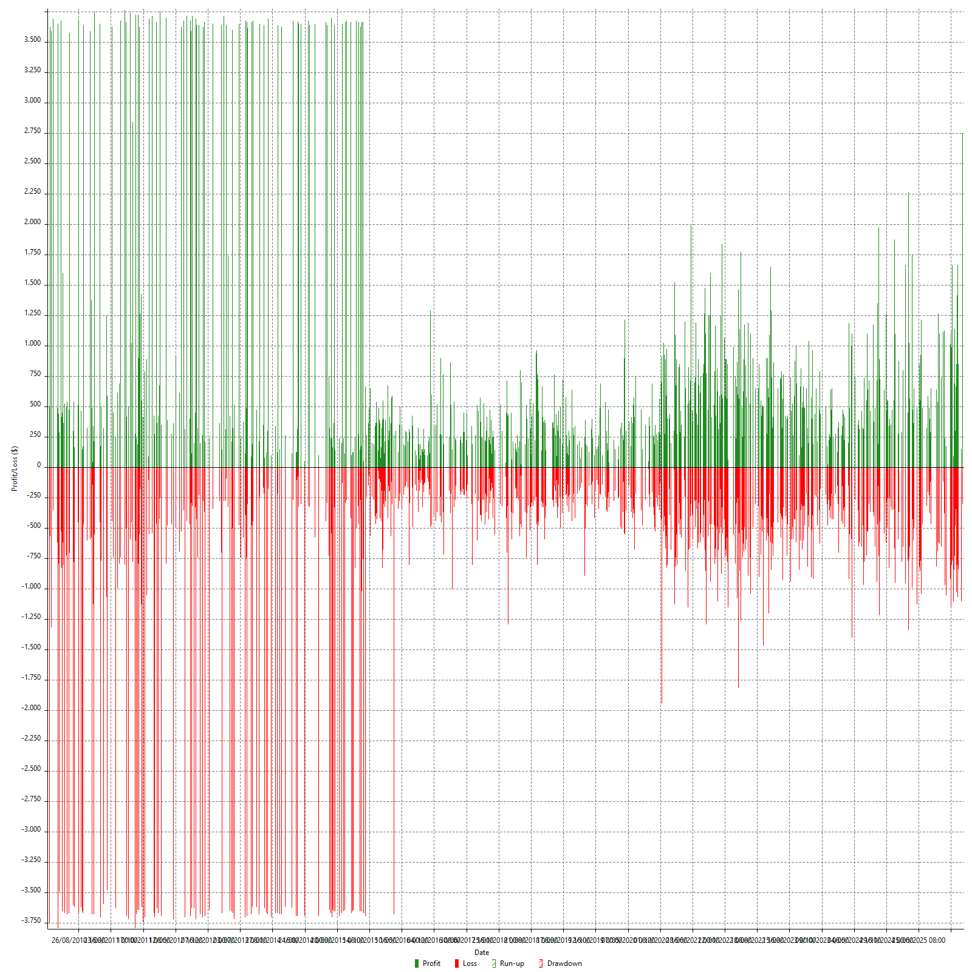

Hourly Returns & Drawdowns (%)

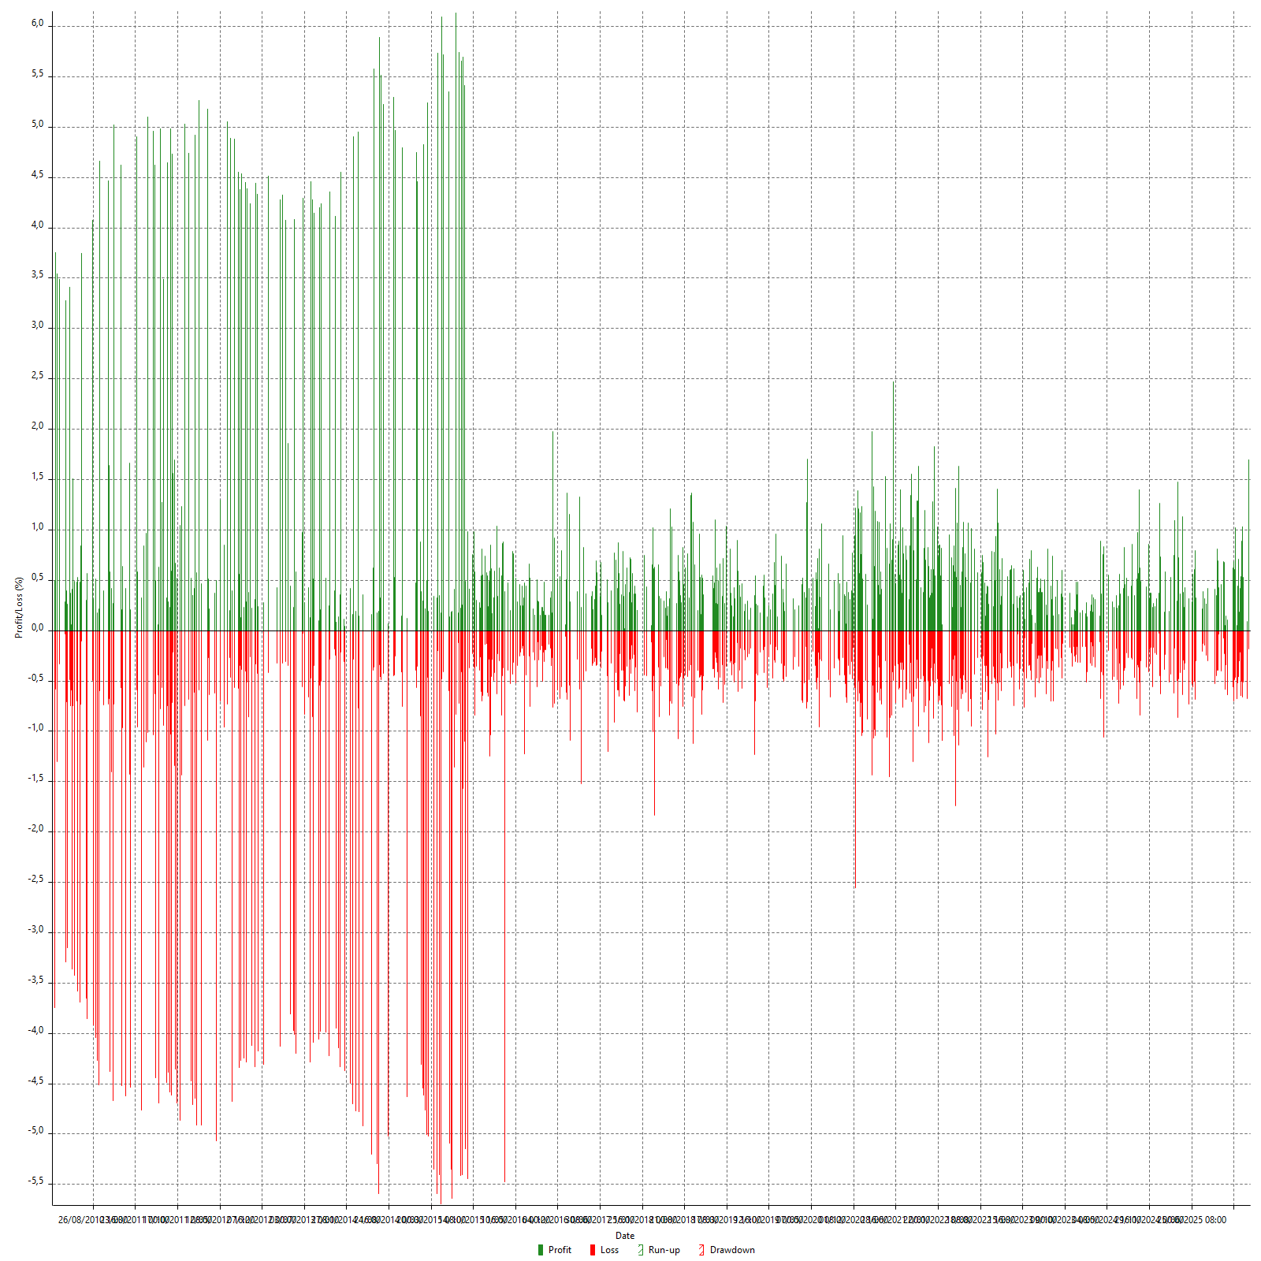

Hourly Accumulative Net Profit

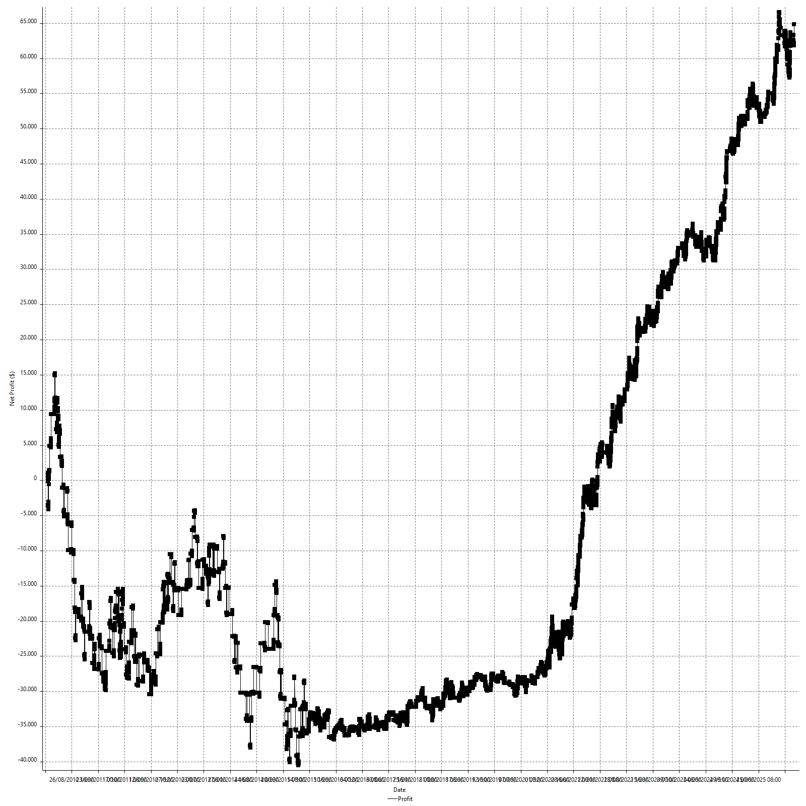

Daily Returns & Drawdowns

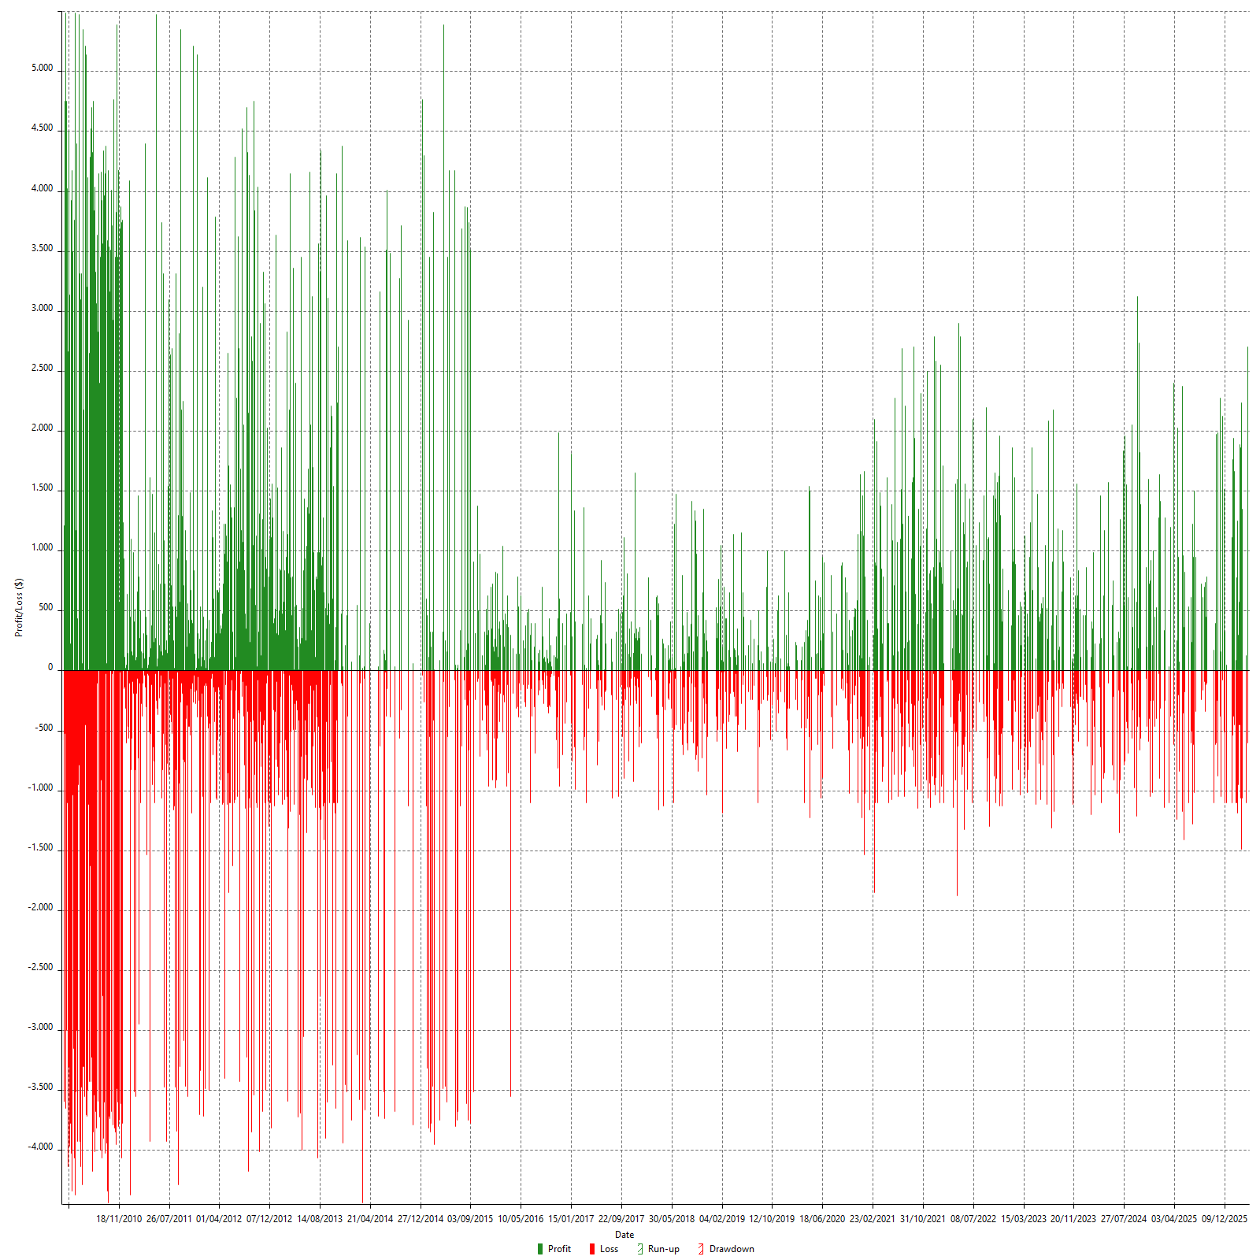

Daily Returns & Drawdowns (%)

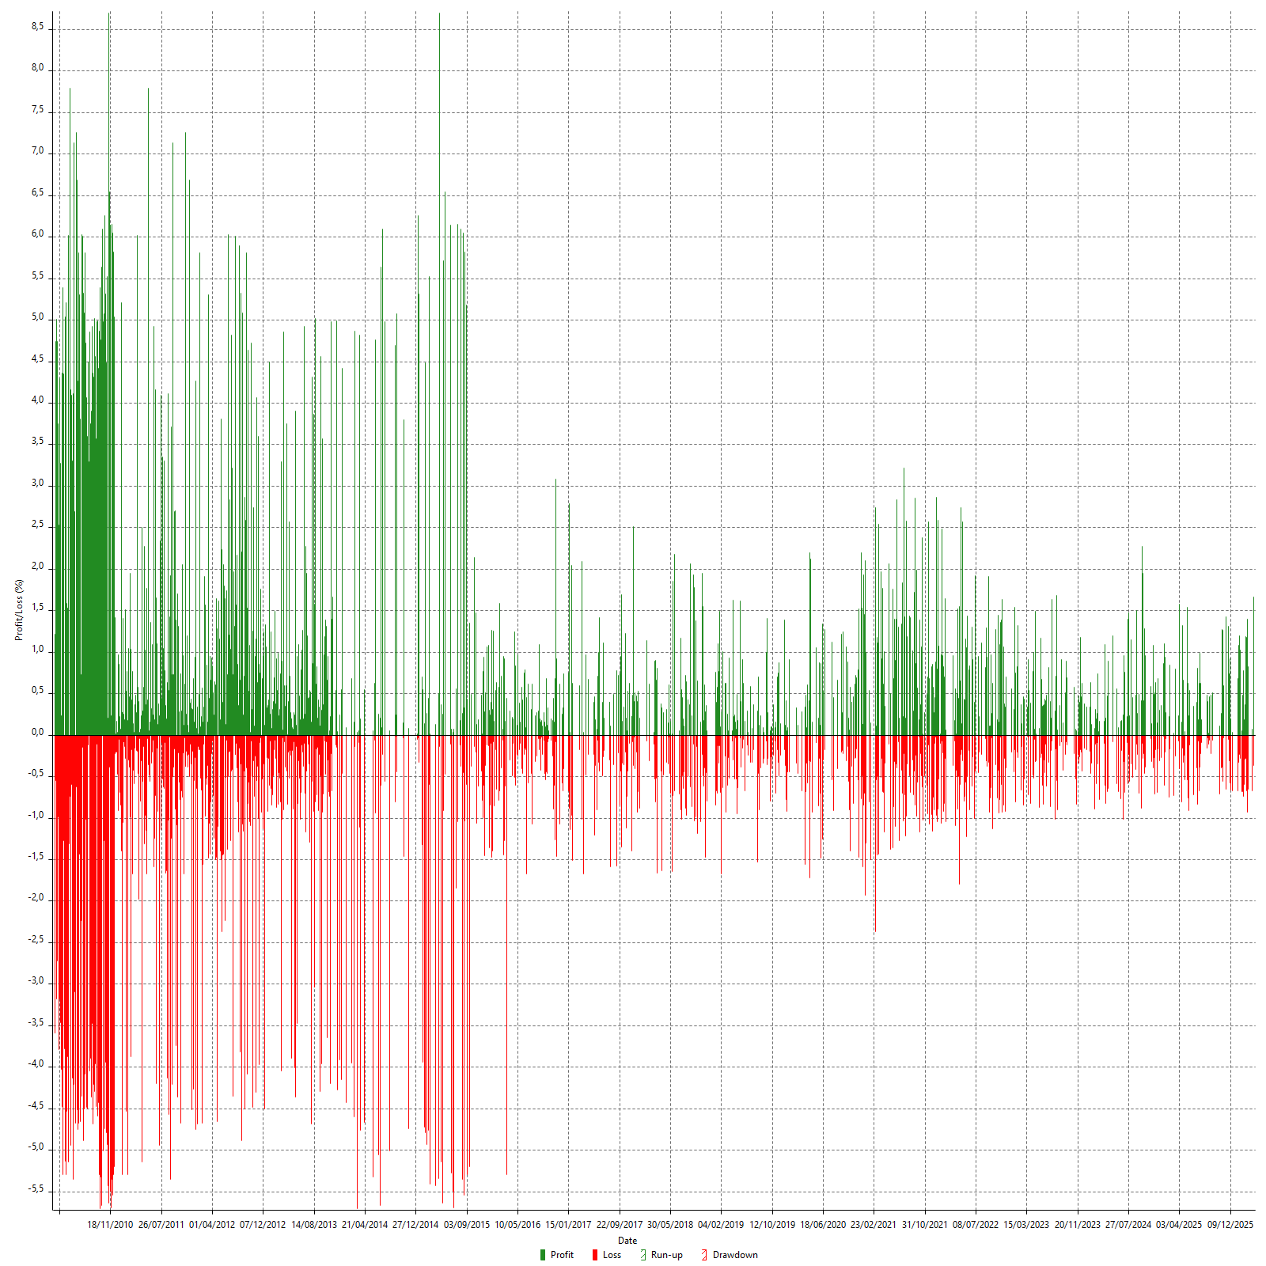

Daily Accumulative Net Profit

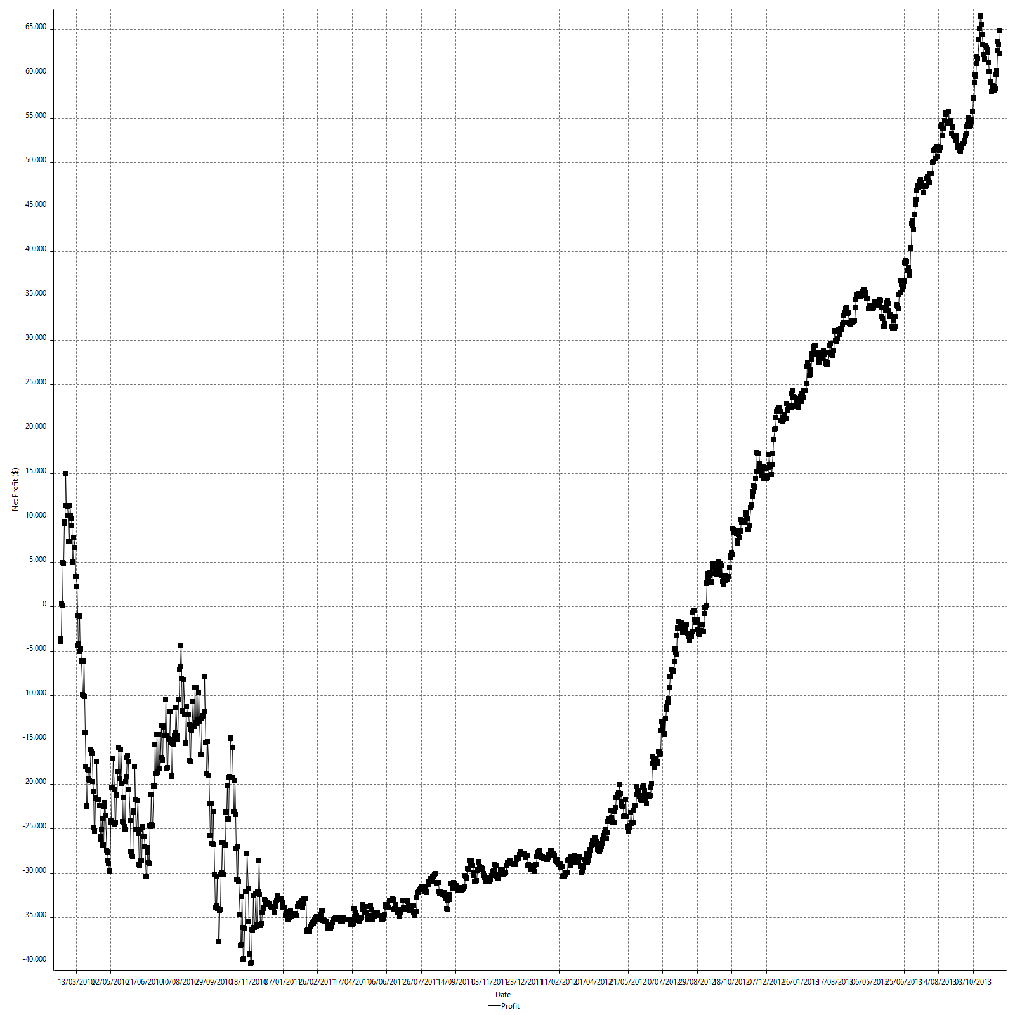

Weekly Returns & Drawdowns

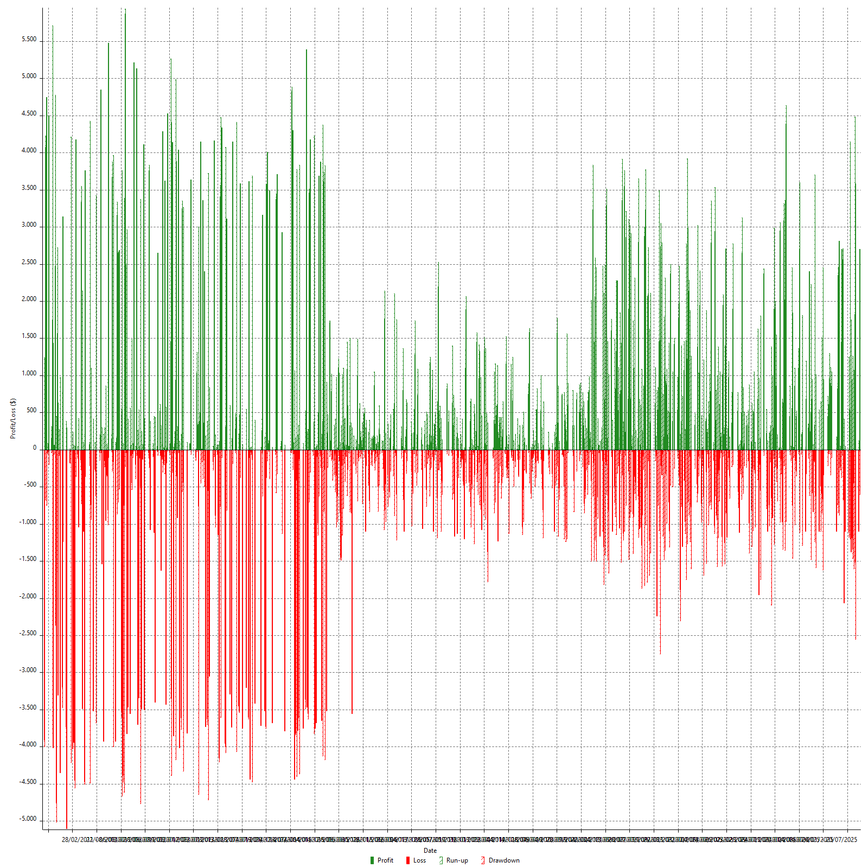

Weekly Returns & Drawdowns (%)

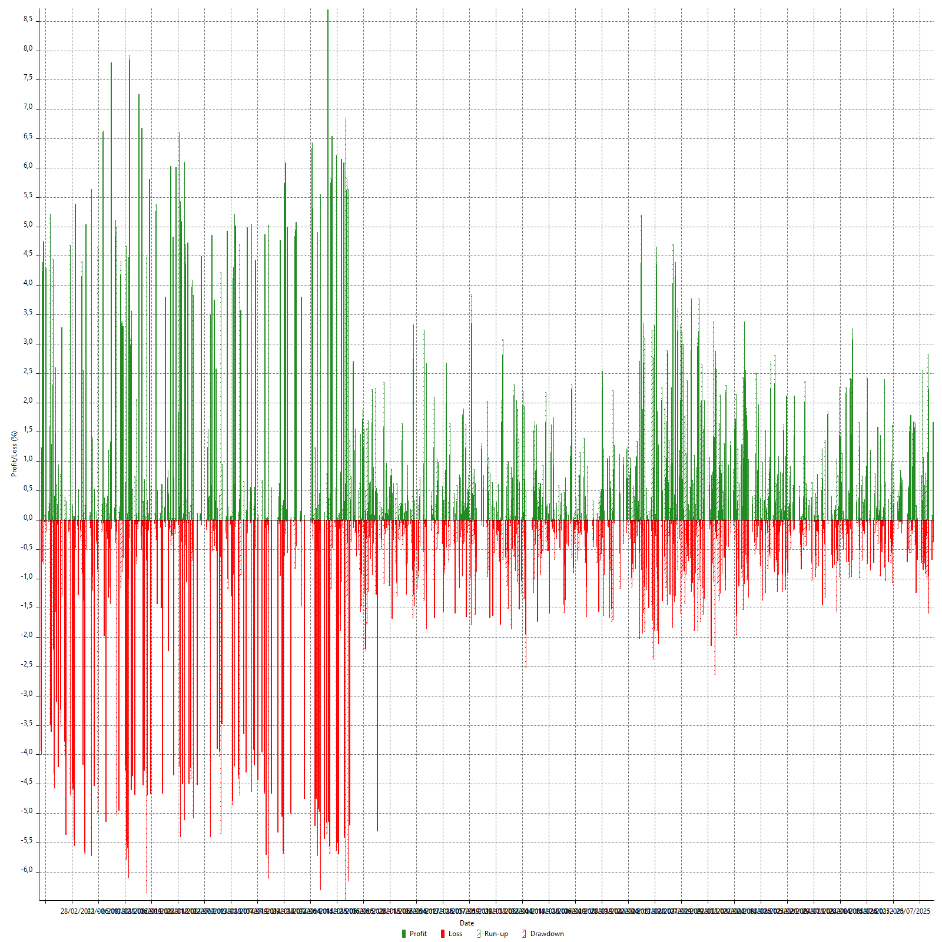

Weekly Accumulative Net Profit

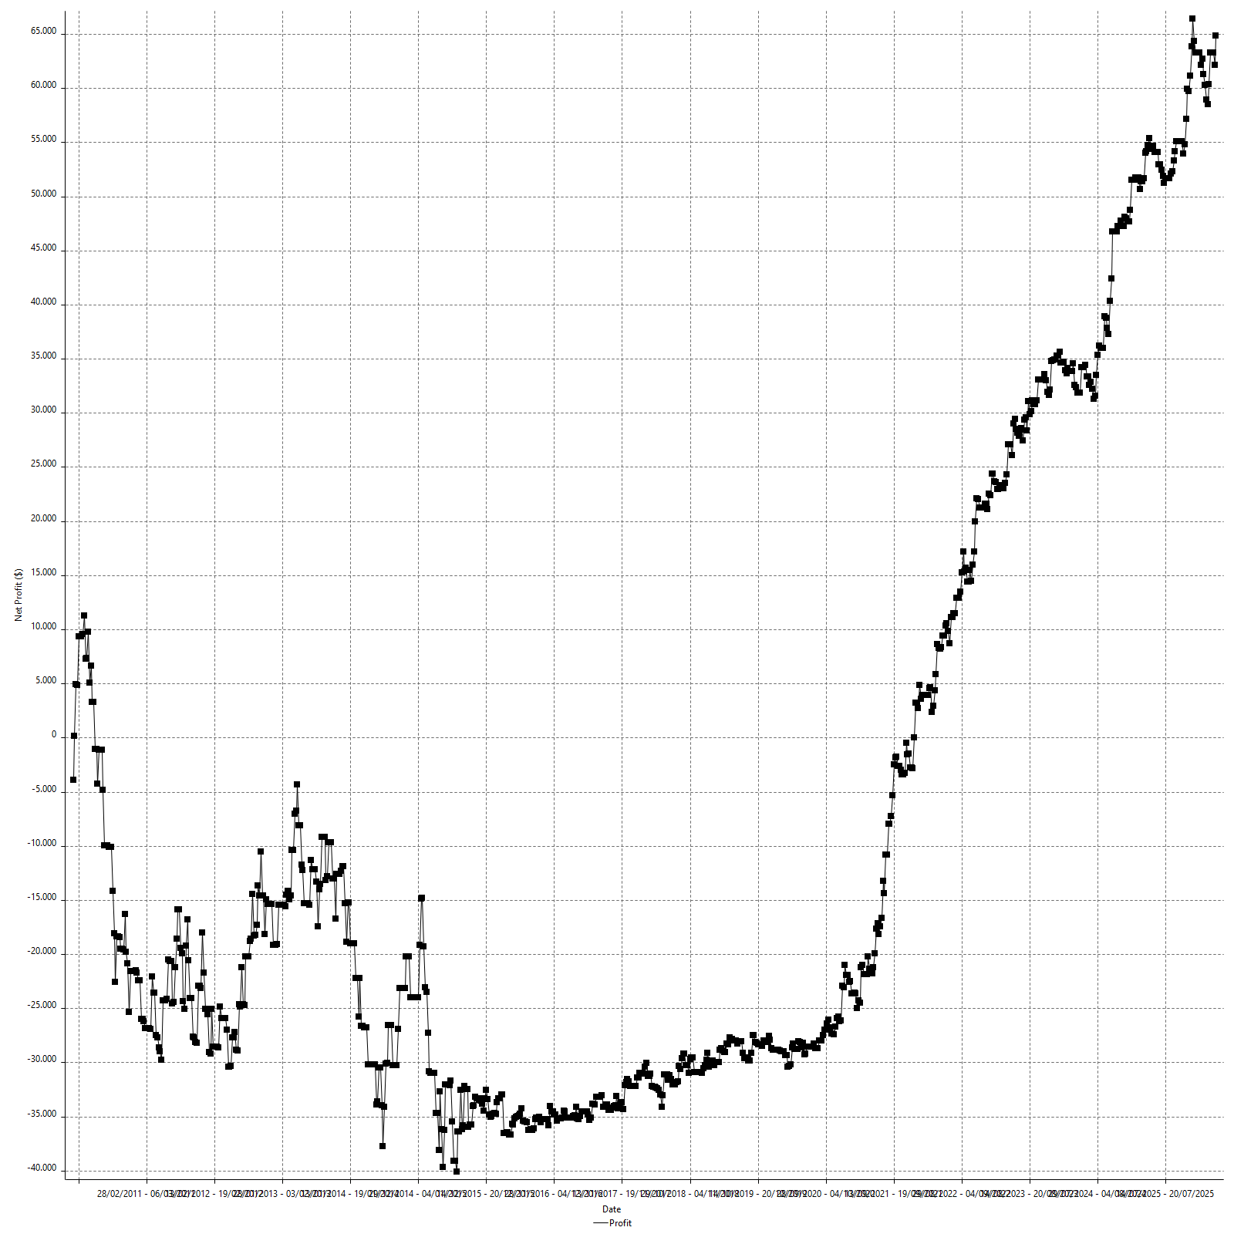

Monthly Returns & Drawdowns

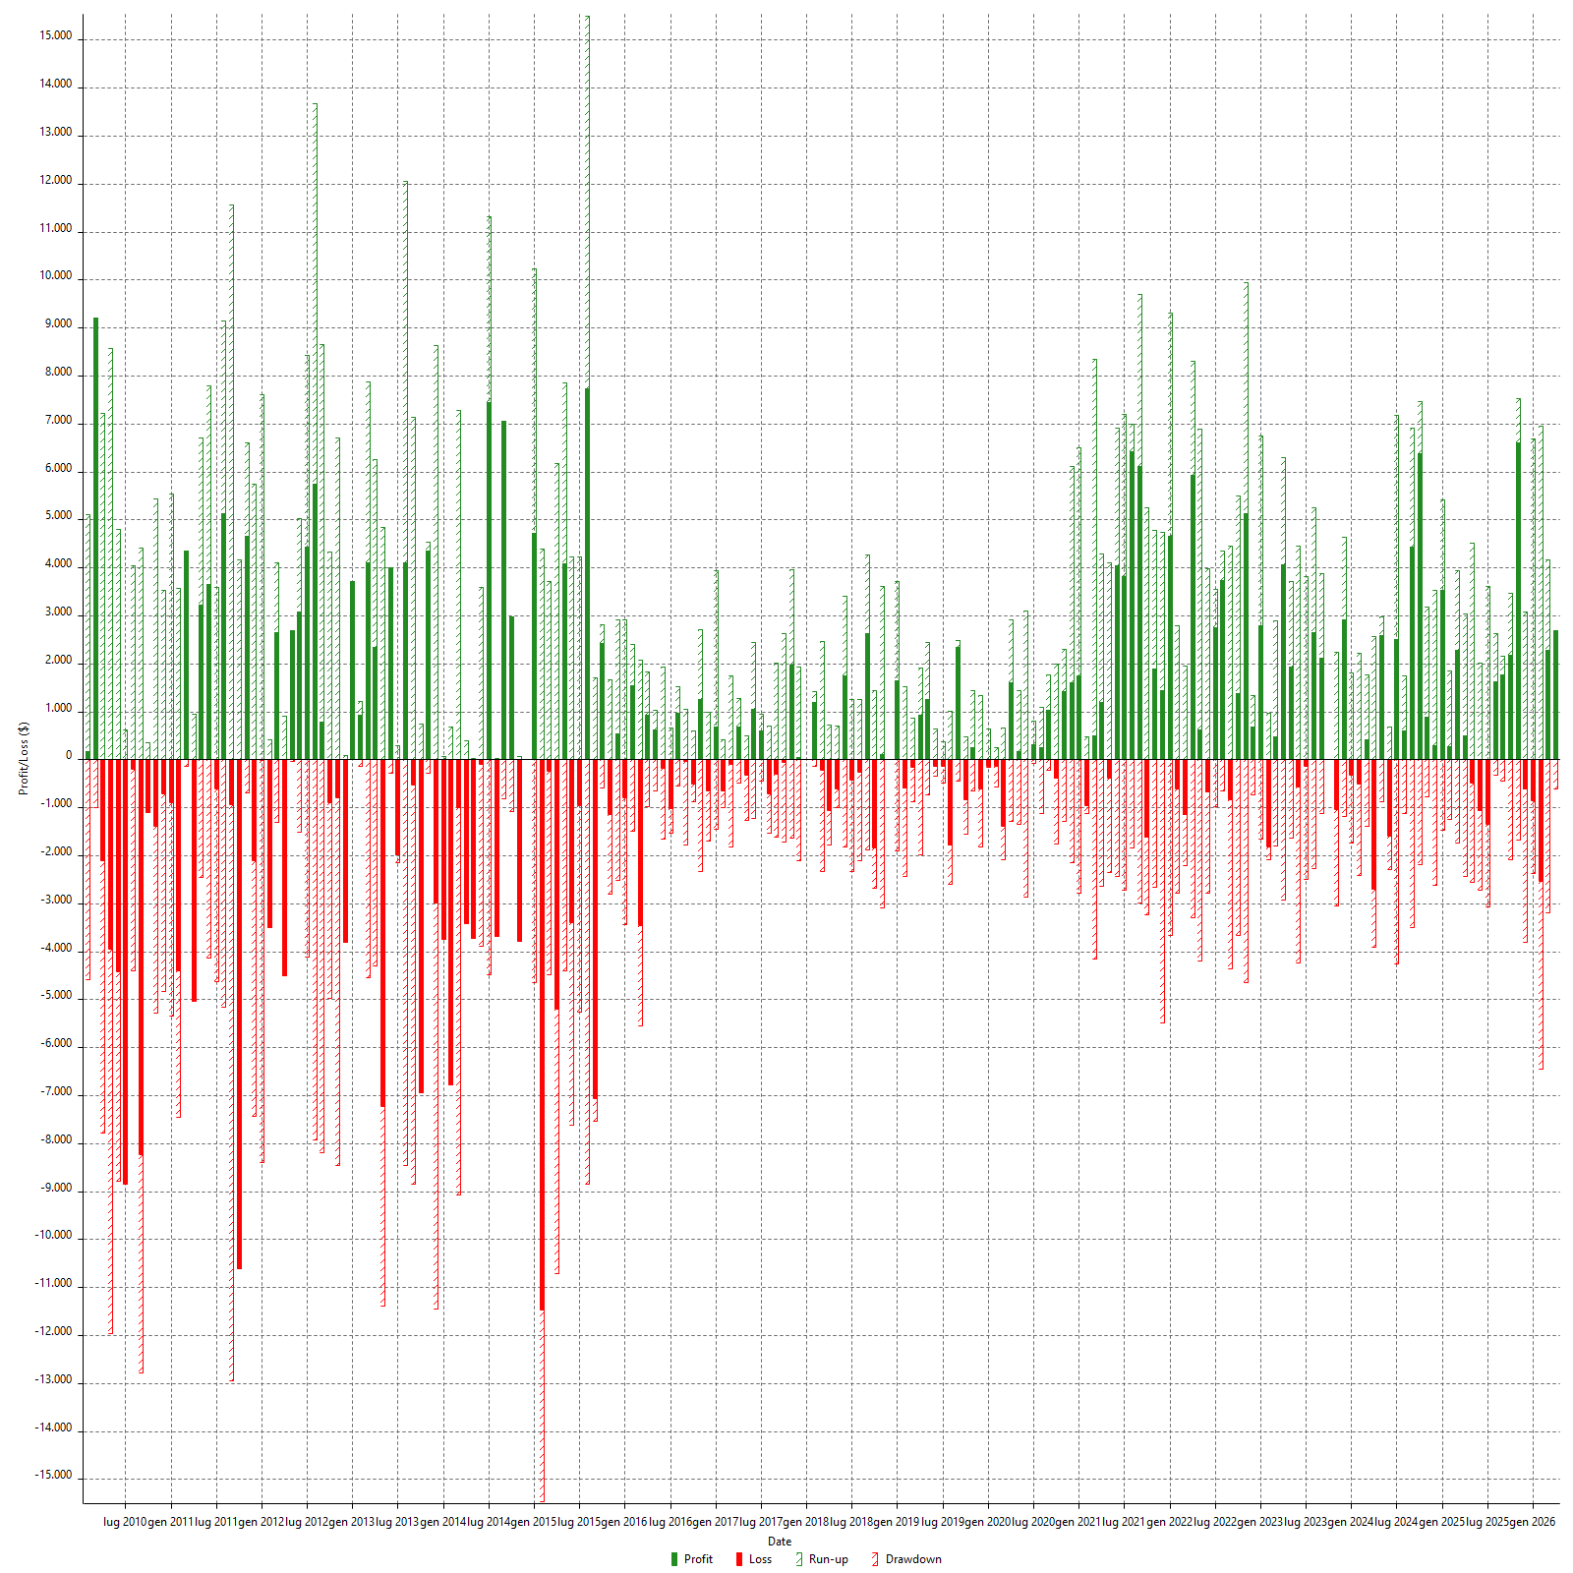

Monthly Returns & Drawdowns (%)

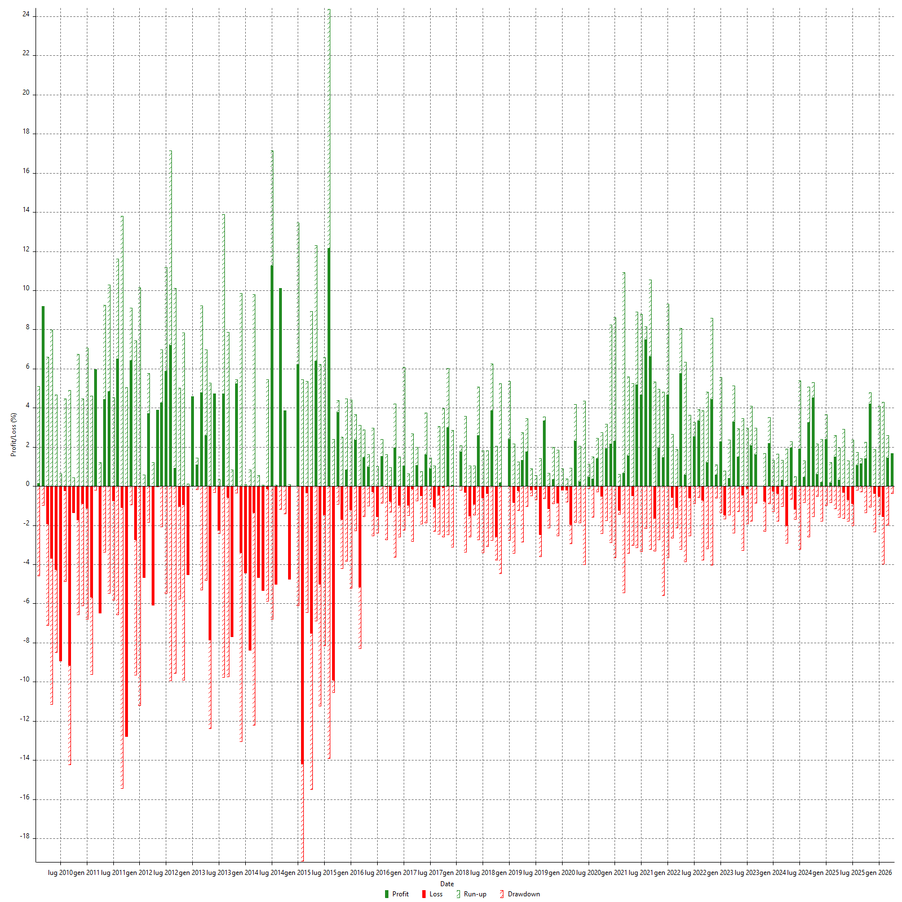

Monthly Accumulative Net Profit



Average Profit By Month

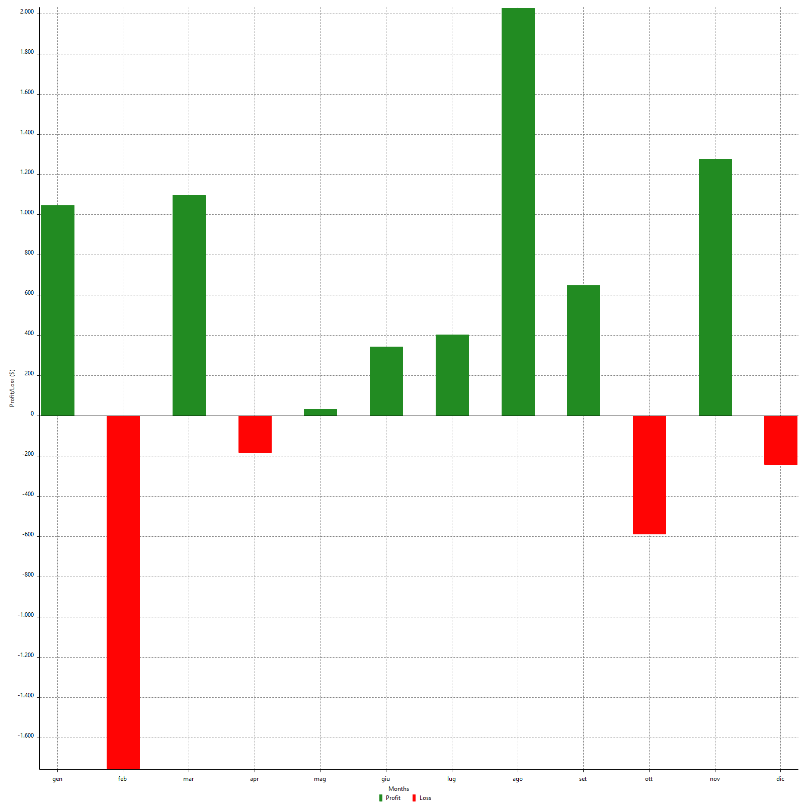

Annual Returns & Drawdowns

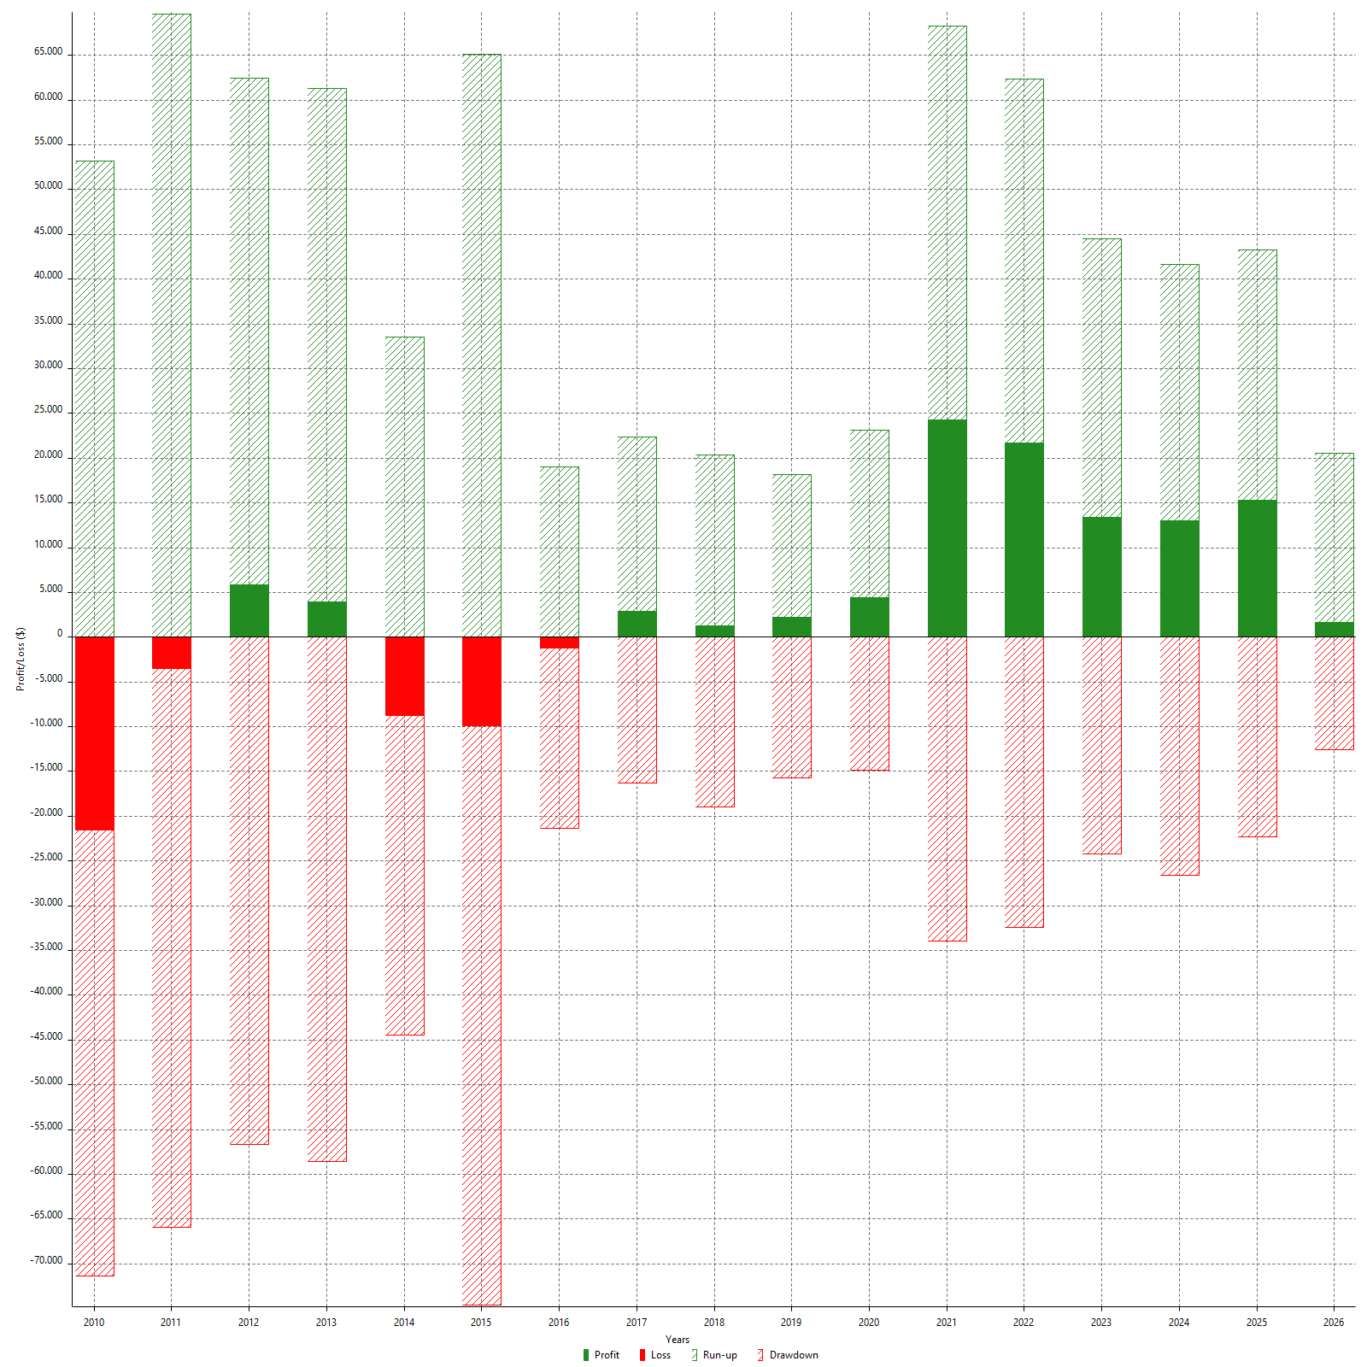

Annual Returns & Drawdowns (%)

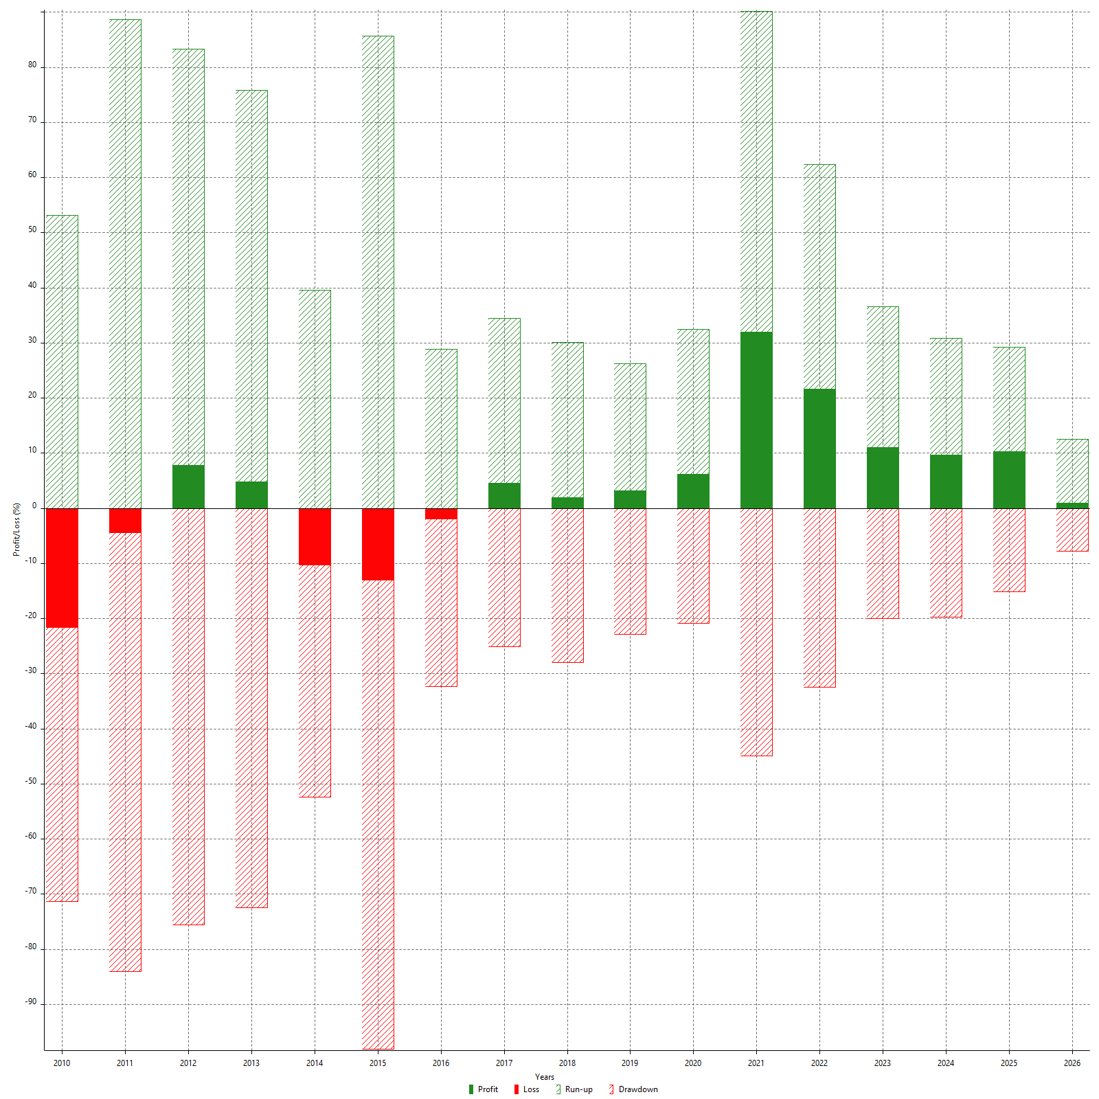

Annual Accumulative Net Profit

